C0017
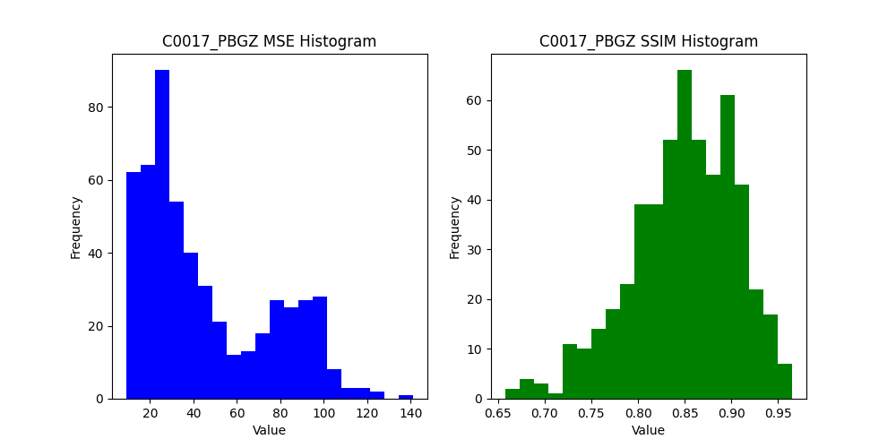
X | Y | Width | Height | MSE_PBGZ | SSIM_PBGZ | MSE_Places2 | SSIM_Places2 | MSE_Wavelet | SSIM_Wavelet
500 | 500 | 12 | 12 | 57.613425926 | 0.86740711898 | 57.613425926 | 0.86740711898 | 47.025462963 | 0.77960590044
477 | 500 | 20 | 12 | 26.194444444 | 0.86069222674 | 26.194444444 | 0.86069222674 | 33.011111111 | 0.77579957187
454 | 500 | 20 | 12 | 13.480555556 | 0.88475237791 | 13.480555556 | 0.88475237791 | 33.397222222 | 0.74376878902
431 | 500 | 20 | 12 | 27.788888889 | 0.79013580139 | 27.788888889 | 0.79013580139 | 31.822222222 | 0.74045345421
408 | 500 | 20 | 12 | 39.776388889 | 0.8422853871 | 39.776388889 | 0.8422853871 | 35.272222222 | 0.85155835031
385 | 500 | 20 | 12 | 45.644444444 | 0.74367286355 | 45.644444444 | 0.74367286355 | 44.318055556 | 0.74216996948
362 | 500 | 20 | 12 | 35.875 | 0.85549096688 | 35.875 | 0.85549096688 | 41.927777778 | 0.8009052
339 | 500 | 20 | 12 | 37.891666667 | 0.7854397843 | 37.891666667 | 0.7854397843 | 37.506944444 | 0.76061692679
316 | 500 | 20 | 12 | 22.823611111 | 0.83141804443 | 22.823611111 | 0.83141804443 | 34.65 | 0.72621566888
293 | 500 | 20 | 12 | 30.859722222 | 0.79603092045 | 30.859722222 | 0.79603092045 | 39.477777778 | 0.75262408037
270 | 500 | 20 | 12 | 21.830555556 | 0.87867596976 | 21.830555556 | 0.87867596976 | 34.359722222 | 0.78448401541
247 | 500 | 20 | 12 | 30.194444444 | 0.75296275298 | 30.194444444 | 0.75296275298 | 37.547222222 | 0.72846548434
224 | 500 | 20 | 12 | 36.897222222 | 0.70247031557 | 36.897222222 | 0.70247031557 | 37.318055556 | 0.73238499309
201 | 500 | 20 | 12 | 25.893055556 | 0.86114228813 | 25.893055556 | 0.86114228813 | 29.704166667 | 0.82124845204
178 | 500 | 20 | 12 | 31.441666667 | 0.83818908226 | 31.441666667 | 0.83818908226 | 30.226388889 | 0.83703718002
155 | 500 | 20 | 12 | 22.490277778 | 0.88023038764 | 22.490277778 | 0.88023038764 | 28.552777778 | 0.83644114897
132 | 500 | 20 | 12 | 34.177777778 | 0.84316247863 | 34.177777778 | 0.84316247863 | 37.213888889 | 0.80846802034
109 | 500 | 20 | 12 | 35.643055556 | 0.84536123985 | 35.643055556 | 0.84536123985 | 26.944444444 | 0.82067084087
86 | 500 | 20 | 12 | 38.3 | 0.819255861 | 38.3 | 0.819255861 | 42.726388889 | 0.7448709642
63 | 500 | 20 | 12 | 30.951388889 | 0.82895361962 | 30.951388889 | 0.82895361962 | 31.641666667 | 0.77978692699
40 | 500 | 20 | 12 | 56.013888889 | 0.89254859321 | 55.998611111 | 0.89255564923 | 47.823611111 | 0.85447318468
16 | 500 | 21 | 12 | 33.712962963 | 0.85486545374 | 33.712962963 | 0.85486545374 | 35.662698413 | 0.86331646371

0 | 500 | 13 | 12 | 46.027777778 | 0.88633619459 | 46.027777778 | 0.88633619459 | 32.912393162 | 0.83136251847
500 | 477 | 12 | 20 | 47.147222222 | 0.81058832777 | 47.147222222 | 0.81058832777 | 32.3875 | 0.82428382073
477 | 477 | 20 | 20 | 33.285833333 | 0.8418230313 | 33.285833333 | 0.8418230313 | 29.485 | 0.83030740137
454 | 477 | 20 | 20 | 31.485 | 0.81099727318 | 31.485 | 0.81099727318 | 25.668333333 | 0.78291439307
431 | 477 | 20 | 20 | 30.706666667 | 0.80583491067 | 30.706666667 | 0.80583491067 | 19.605833333 | 0.83388095584
408 | 477 | 20 | 20 | 20.428333333 | 0.87658487622 | 20.428333333 | 0.87658487622 | 24.96 | 0.8369497796
385 | 477 | 20 | 20 | 33.181666667 | 0.87251788439 | 33.181666667 | 0.87251788439 | 33.936666667 | 0.86651060821
362 | 477 | 20 | 20 | 40.44 | 0.90728988381 | 40.44 | 0.90728988381 | 44.355833333 | 0.87616312982
339 | 477 | 20 | 20 | 35.0725 | 0.89651584058 | 35.0725 | 0.89651584058 | 33.305833333 | 0.87116524001
316 | 477 | 20 | 20 | 35.008333333 | 0.87190900865 | 35.008333333 | 0.87190900865 | 27.740833333 | 0.85722381457
293 | 477 | 20 | 20 | 29.4075 | 0.85901662166 | 29.4075 | 0.85901662166 | 34.399166667 | 0.80813505088
270 | 477 | 20 | 20 | 30.099166667 | 0.83244469802 | 30.099166667 | 0.83244469802 | 21.925833333 | 0.85559224681
247 | 477 | 20 | 20 | 28.314166667 | 0.77134141568 | 28.314166667 | 0.77134141568 | 22.78 | 0.80410714931
224 | 477 | 20 | 20 | 29.881666667 | 0.74672736254 | 29.881666667 | 0.74672736254 | 26.784166667 | 0.76976096622
201 | 477 | 20 | 20 | 22.4925 | 0.8078248078 | 22.4925 | 0.8078248078 | 19.055833333 | 0.82730948573
178 | 477 | 20 | 20 | 23.339166667 | 0.81642768349 | 23.339166667 | 0.81642768349 | 18.155833333 | 0.84878773989
155 | 477 | 20 | 20 | 19.435 | 0.86011957838 | 19.435 | 0.86011957838 | 18.41 | 0.85224216968
132 | 477 | 20 | 20 | 30.4425 | 0.85437184172 | 30.4425 | 0.85437184172 | 30.933333333 | 0.81686763474
109 | 477 | 20 | 20 | 20.178333333 | 0.94110967571 | 20.178333333 | 0.94110967571 | 23.126666667 | 0.92386298163
86 | 477 | 20 | 20 | 31.54 | 0.91750488587 | 31.54 | 0.91750488587 | 28.733333333 | 0.89552954365
63 | 477 | 20 | 20 | 35.431666667 | 0.84761594516 | 35.431666667 | 0.84761594516 | 23.016666667 | 0.9006309106
40 | 477 | 20 | 20 | 31.809166667 | 0.90199820829 | 31.809166667 | 0.90199820829 | 35.038333333 | 0.85150299028
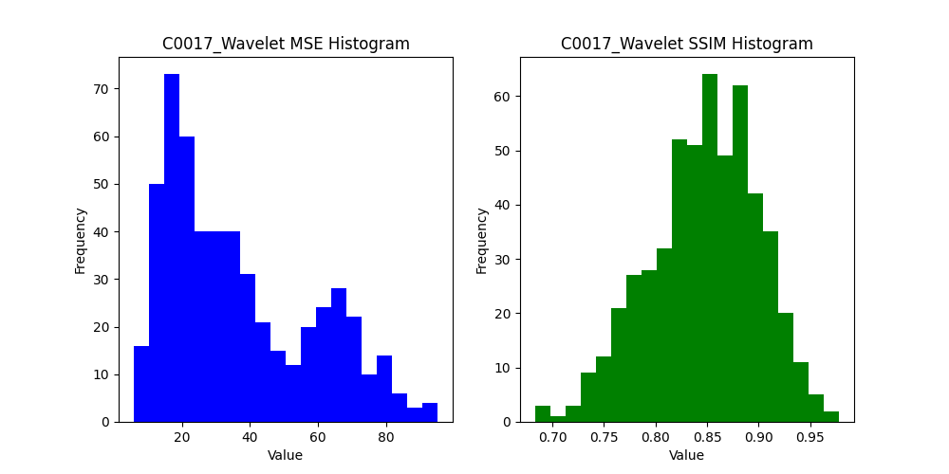
16 | 477 | 21 | 20 | 27.36984127 | 0.91892242331 | 27.36984127 | 0.91892242331 | 25.125396825 | 0.8891772223
0 | 477 | 13 | 20 | 23.814102564 | 0.8457724917 | 23.814102564 | 0.8457724917 | 23.344871795 | 0.82826936945
500 | 454 | 12 | 20 | 30.754166667 | 0.90951171576 | 30.754166667 | 0.90951171576 | 41.494444444 | 0.88627384061
477 | 454 | 20 | 20 | 30.441666667 | 0.85689867788 | 30.441666667 | 0.85689867788 | 19.23 | 0.86373521695
454 | 454 | 20 | 20 | 32.563333333 | 0.80423878453 | 32.563333333 | 0.80423878453 | 33.6375 | 0.78956566689
431 | 454 | 20 | 20 | 27.1475 | 0.81069469562 | 27.1475 | 0.81069469562 | 20.523333333 | 0.8392575107
408 | 454 | 20 | 20 | 29.896666667 | 0.83295475245 | 29.896666667 | 0.83295475245 | 28.406666667 | 0.82281986636
385 | 454 | 20 | 20 | 27.0725 | 0.91955070028 | 27.0725 | 0.91955070028 | 30.009166667 | 0.88589278842
362 | 454 | 20 | 20 | 36.465833333 | 0.88042066616 | 36.465833333 | 0.88042066616 | 42.328333333 | 0.86212369736
339 | 454 | 20 | 20 | 26.590833333 | 0.91574819603 | 26.590833333 | 0.91574819603 | 31.54 | 0.88272838849
316 | 454 | 20 | 20 | 34.995 | 0.85006401668 | 34.995 | 0.85006401668 | 33.999166667 | 0.81410090095
293 | 454 | 20 | 20 | 36.13 | 0.79700923133 | 36.13 | 0.79700923133 | 25.6825 | 0.82862270692
270 | 454 | 20 | 20 | 41.360833333 | 0.78576310487 | 41.360833333 | 0.78576310487 | 34.996666667 | 0.79141931182
247 | 454 | 20 | 20 | 33.51 | 0.86992410361 | 33.51 | 0.86992410361 | 37.815833333 | 0.80814731396
224 | 454 | 20 | 20 | 28.823333333 | 0.81913698391 | 28.823333333 | 0.81913698391 | 26.9225 | 0.81527613696
201 | 454 | 20 | 20 | 32.366666667 | 0.8351301639 | 32.366666667 | 0.8351301639 | 27.693333333 | 0.82342419305
178 | 454 | 20 | 20 | 30.960833333 | 0.81859798078 | 30.960833333 | 0.81859798078 | 24.341666667 | 0.83401259437
155 | 454 | 20 | 20 | 22.944166667 | 0.87783485903 | 22.944166667 | 0.87783485903 | 16.6875 | 0.89215188964
132 | 454 | 20 | 20 | 40.159166667 | 0.76424179589 | 40.159166667 | 0.76424179589 | 22.5775 | 0.81476537061
109 | 454 | 20 | 20 | 29.893333333 | 0.84908478279 | 29.893333333 | 0.84908478279 | 22.270833333 | 0.84723371499
86 | 454 | 20 | 20 | 35.580833333 | 0.85936723719 | 35.580833333 | 0.85936723719 | 31.9975 | 0.81934695894
63 | 454 | 20 | 20 | 22.526666667 | 0.92107954218 | 22.526666667 | 0.92107954218 | 24.356666667 | 0.89784166084
40 | 454 | 20 | 20 | 28.440833333 | 0.87494802145 | 28.440833333 | 0.87494802145 | 19.8975 | 0.90945980071
16 | 454 | 21 | 20 | 26.9 | 0.8168601362 | 26.9 | 0.8168601362 | 19.592857143 | 0.84637643914
0 | 454 | 13 | 20 | 25.044871795 | 0.83880570177 | 25.044871795 | 0.83880570177 | 19.48974359 | 0.89517515915
500 | 431 | 12 | 20 | 81.477777778 | 0.77712816716 | 81.477777778 | 0.77712816716 | 73.729166667 | 0.74468867777
477 | 431 | 20 | 20 | 79.636666667 | 0.80053890219 | 79.636666667 | 0.80053890219 | 64.331666667 | 0.78998737381
454 | 431 | 20 | 20 | 86.630833333 | 0.74739189958 | 86.630833333 | 0.74739189958 | 63.875833333 | 0.78860580851
431 | 431 | 20 | 20 | 80.303333333 | 0.6783443691 | 80.303333333 | 0.6783443691 | 55.9825 | 0.77235447841
408 | 431 | 20 | 20 | 80.115833333 | 0.72630859871 | 80.115833333 | 0.72630859871 | 50.691666667 | 0.79299189102
385 | 431 | 20 | 20 | 72.434166667 | 0.79011357092 | 72.434166667 | 0.79011357092 | 60.546666667 | 0.76761706759
362 | 431 | 20 | 20 | 69.674166667 | 0.80701537155 | 69.674166667 | 0.80701537155 | 67.516666667 | 0.75293743156
339 | 431 | 20 | 20 | 94.778333333 | 0.67648047293 | 94.778333333 | 0.67648047293 | 64.7525 | 0.73917040569
316 | 431 | 20 | 20 | 69.226666667 | 0.83891154365 | 69.226666667 | 0.83891154365 | 50.464166667 | 0.8593498233
293 | 431 | 20 | 20 | 74.114166667 | 0.80077786616 | 74.114166667 | 0.80077786616 | 60.135833333 | 0.76662772385
270 | 431 | 20 | 20 | 90.4125 | 0.74611459975 | 90.4125 | 0.74611459975 | 69.774166667 | 0.74089342672
247 | 431 | 20 | 20 | 73.31 | 0.82408515794 | 73.31 | 0.82408515794 | 68.326666667 | 0.79290404364
224 | 431 | 20 | 20 | 97.603333333 | 0.81205055437 | 97.603333333 | 0.81205055437 | 72.3175 | 0.80729500231
201 | 431 | 20 | 20 | 83.82 | 0.86175822236 | 83.82 | 0.86175822236 | 79.9575 | 0.83094762621
178 | 431 | 20 | 20 | 89.326666667 | 0.8069903894 | 89.326666667 | 0.8069903894 | 67.5575 | 0.82902502403
155 | 431 | 20 | 20 | 98.385833333 | 0.74187628134 | 98.385833333 | 0.74187628134 | 66.833333333 | 0.77996664154
132 | 431 | 20 | 20 | 105.23 | 0.85102130435 | 105.23 | 0.85102130435 | 76.9725 | 0.86589850614
109 | 431 | 20 | 20 | 97.576666667 | 0.82481388918 | 97.576666667 | 0.82481388918 | 70.200833333 | 0.86851502219
86 | 431 | 20 | 20 | 73.265 | 0.78701588765 | 73.265 | 0.78701588765 | 49.313333333 | 0.83383304481
63 | 431 | 20 | 20 | 63.810833333 | 0.88712257559 | 63.810833333 | 0.88712257559 | 46.121666667 | 0.91332424528
40 | 431 | 20 | 20 | 62.586666667 | 0.91537645173 | 62.586666667 | 0.91537645173 | 39.024166667 | 0.9244872373
16 | 431 | 21 | 20 | 60.384920635 | 0.88219976738 | 60.384920635 | 0.88219976738 | 43.94047619 | 0.899481702
0 | 431 | 13 | 20 | 71.973076923 | 0.85073333502 | 71.973076923 | 0.85073333502 | 54.546153846 | 0.87941778559
500 | 408 | 12 | 20 | 123.04583333 | 0.86784286201 | 123.04583333 | 0.86784286201 | 93.451388889 | 0.88788673905
477 | 408 | 20 | 20 | 102.555 | 0.86131470954 | 102.555 | 0.86131470954 | 66.549166667 | 0.87420346815
454 | 408 | 20 | 20 | 97.6825 | 0.81180514227 | 97.6825 | 0.81180514227 | 80.688333333 | 0.7659956996
431 | 408 | 20 | 20 | 75.4225 | 0.72352366729 | 75.4225 | 0.72352366729 | 65.3275 | 0.68301952961
408 | 408 | 20 | 20 | 94.31 | 0.76697494225 | 94.31 | 0.76697494225 | 61.280833333 | 0.785241882
385 | 408 | 20 | 20 | 119.62916667 | 0.74607504431 | 119.62916667 | 0.74607504431 | 71.8675 | 0.76593852155
362 | 408 | 20 | 20 | 88.440833333 | 0.79803106281 | 88.440833333 | 0.79803106281 | 60.665 | 0.83629176888
339 | 408 | 20 | 20 | 93.559166667 | 0.92143194346 | 93.6225 | 0.92149925574 | 84.29 | 0.91275122984
316 | 408 | 20 | 20 | 75.135 | 0.95948981369 | 74.81 | 0.95968568298 | 65.411666667 | 0.95374301764
293 | 408 | 20 | 20 | 81.325833333 | 0.92518857283 | 81.6525 | 0.92522284767 | 72.604166667 | 0.92254285989
270 | 408 | 20 | 20 | 81.011666667 | 0.91540412463 | 81.521666667 | 0.91553426522 | 76.6225 | 0.88067029365
247 | 408 | 20 | 20 | 107.01083333 | 0.91804501211 | 107.74416667 | 0.91787659111 | 80.551666667 | 0.91374991108
224 | 408 | 20 | 20 | 100.3925 | 0.83952901575 | 100.38 | 0.83953288788 | 65.286666667 | 0.81307458316
201 | 408 | 20 | 20 | 82.295833333 | 0.81236801761 | 82.295833333 | 0.81236801761 | 66.070833333 | 0.80764435832
178 | 408 | 20 | 20 | 90.971666667 | 0.8152113855 | 90.971666667 | 0.8152113855 | 66.935 | 0.83901802306
155 | 408 | 20 | 20 | 100.72666667 | 0.83518328827 | 100.72666667 | 0.83518328827 | 62.365 | 0.84126952157
132 | 408 | 20 | 20 | 91.301666667 | 0.80542435301 | 91.301666667 | 0.80542435301 | 64.324166667 | 0.76919805339
109 | 408 | 20 | 20 | 87.706666667 | 0.82223558761 | 87.706666667 | 0.82223558761 | 58.166666667 | 0.83939597174
86 | 408 | 20 | 20 | 103.3725 | 0.86256525114 | 103.3725 | 0.86256525114 | 67.235 | 0.88138797565
63 | 408 | 20 | 20 | 95.481666667 | 0.79742061081 | 95.481666667 | 0.79742061081 | 70.813333333 | 0.79473742279
40 | 408 | 20 | 20 | 82.625 | 0.84325012849 | 82.625 | 0.84325012849 | 58.680833333 | 0.84651646457
16 | 408 | 21 | 20 | 90.413492063 | 0.78752295008 | 90.413492063 | 0.78752295008 | 61.50952381 | 0.79114236874
0 | 408 | 13 | 20 | 67.007692308 | 0.83202827711 | 67.007692308 | 0.83202827711 | 49.344871795 | 0.86317485657
500 | 385 | 12 | 20 | 141.15833333 | 0.78312190335 | 141.15833333 | 0.78312190335 | 95.252777778 | 0.87341129613
477 | 385 | 20 | 20 | 88.573333333 | 0.88363966182 | 88.573333333 | 0.88363966182 | 92.7425 | 0.8272389115
454 | 385 | 20 | 20 | 92.755833333 | 0.86608445805 | 92.755833333 | 0.86608445805 | 81.79 | 0.84858583263
431 | 385 | 20 | 20 | 107.20166667 | 0.80689476264 | 107.20166667 | 0.80689476264 | 79.488333333 | 0.81658231282
408 | 385 | 20 | 20 | 106.1275 | 0.79647216124 | 106.1275 | 0.79647216124 | 89.689166667 | 0.79381299924
385 | 385 | 20 | 20 | 108.78416667 | 0.77593954304 | 108.78416667 | 0.77593954304 | 69.194166667 | 0.81353550455
362 | 385 | 20 | 20 | 96.720833333 | 0.76478478931 | 96.720833333 | 0.76478478931 | 94.138333333 | 0.69714551434
339 | 385 | 20 | 20 | 101.30166667 | 0.79131427459 | 101.30166667 | 0.79131427459 | 80.5475 | 0.81909674938
316 | 385 | 20 | 20 | 99.459166667 | 0.80025265076 | 99.459166667 | 0.80025265076 | 74.990833333 | 0.80455972226
293 | 385 | 20 | 20 | 107.495 | 0.91524588674 | 107.68 | 0.9152259394 | 80.910833333 | 0.92075609407
270 | 385 | 20 | 20 | 97.81 | 0.8747058479 | 98.3425 | 0.87464474211 | 80.029166667 | 0.88293559166
247 | 385 | 20 | 20 | 82.071666667 | 0.90920086398 | 82.746666667 | 0.90919357048 | 78.3425 | 0.88078370501
224 | 385 | 20 | 20 | 82.974166667 | 0.91300537313 | 83.105 | 0.91300930995 | 74.5825 | 0.88564291898
201 | 385 | 20 | 20 | 84.271666667 | 0.81140853311 | 84.271666667 | 0.81140853311 | 78.2175 | 0.78793441318
178 | 385 | 20 | 20 | 92.308333333 | 0.86600951444 | 92.308333333 | 0.86600951444 | 79.904166667 | 0.82610997053
155 | 385 | 20 | 20 | 92.260833333 | 0.79457098745 | 92.260833333 | 0.79457098745 | 71.204166667 | 0.78181997193
132 | 385 | 20 | 20 | 86.673333333 | 0.85580369449 | 86.673333333 | 0.85580369449 | 71.290833333 | 0.84274795286
109 | 385 | 20 | 20 | 101.31416667 | 0.85170928975 | 101.31416667 | 0.85170928975 | 68.865833333 | 0.8905427566
86 | 385 | 20 | 20 | 100.74083333 | 0.82721149976 | 100.74083333 | 0.82721149976 | 90.47 | 0.77824671399
63 | 385 | 20 | 20 | 85.729166667 | 0.82707528585 | 85.729166667 | 0.82707528585 | 76.419166667 | 0.77957071303
40 | 385 | 20 | 20 | 78.0825 | 0.85811125247 | 78.0825 | 0.85811125247 | 66.199166667 | 0.84485103858
16 | 385 | 21 | 20 | 87.58968254 | 0.83702320608 | 87.58968254 | 0.83702320608 | 63.693650794 | 0.82520429289
0 | 385 | 13 | 20 | 108.65769231 | 0.67665466448 | 108.65769231 | 0.67665466448 | 66.06025641 | 0.78032146911
500 | 362 | 12 | 20 | 122.17083333 | 0.72394696183 | 122.17083333 | 0.72394696183 | 78.251388889 | 0.79173911082
477 | 362 | 20 | 20 | 94.491666667 | 0.79192439905 | 94.491666667 | 0.79192439905 | 76.413333333 | 0.78252083152
454 | 362 | 20 | 20 | 100.64083333 | 0.76392297737 | 100.64083333 | 0.76392297737 | 80.385 | 0.76874438789
431 | 362 | 20 | 20 | 90.6175 | 0.82445214747 | 90.6175 | 0.82445214747 | 84.750833333 | 0.80146857676
408 | 362 | 20 | 20 | 115.3775 | 0.78547282717 | 115.3775 | 0.78547282717 | 86.075 | 0.76184817453
385 | 362 | 20 | 20 | 98.346666667 | 0.78530714558 | 98.346666667 | 0.78530714558 | 85.203333333 | 0.73985503589
362 | 362 | 20 | 20 | 94.49 | 0.83269391697 | 94.49 | 0.83269391697 | 76.7775 | 0.78430432246
339 | 362 | 20 | 20 | 98.815 | 0.85329945883 | 98.815 | 0.85329945883 | 85.7225 | 0.83244882801
316 | 362 | 20 | 20 | 100.43166667 | 0.76051454813 | 100.43166667 | 0.76051454813 | 60.6325 | 0.84270741012
293 | 362 | 20 | 20 | 97.978333333 | 0.91151988834 | 97.905833333 | 0.91153899079 | 75.739166667 | 0.92617805126
270 | 362 | 20 | 20 | 93.275833333 | 0.8488730181 | 93.589166667 | 0.84887572069 | 71.341666667 | 0.82854764733
247 | 362 | 20 | 20 | 99.8575 | 0.93547861111 | 100.69833333 | 0.93567867403 | 71.5375 | 0.94546809089
224 | 362 | 20 | 20 | 76.998333333 | 0.77945439886 | 76.998333333 | 0.77945439886 | 56.393333333 | 0.76089020018
201 | 362 | 20 | 20 | 99.625 | 0.72600625671 | 99.625 | 0.72600625671 | 61.3175 | 0.78793299392
178 | 362 | 20 | 20 | 76.741666667 | 0.85057969611 | 76.741666667 | 0.85057969611 | 64.353333333 | 0.81478899975
155 | 362 | 20 | 20 | 84.216666667 | 0.77261049081 | 84.216666667 | 0.77261049081 | 59.606666667 | 0.7771714554
132 | 362 | 20 | 20 | 72.804166667 | 0.82403069713 | 72.804166667 | 0.82403069713 | 67.161666667 | 0.76188827169
109 | 362 | 20 | 20 | 74.04 | 0.81390066321 | 74.04 | 0.81390066321 | 64.925 | 0.76626580938
86 | 362 | 20 | 20 | 75.8 | 0.92373381165 | 75.895 | 0.92374036584 | 66.249166667 | 0.89566971714
63 | 362 | 20 | 20 | 89.479166667 | 0.81523701996 | 89.479166667 | 0.81523701996 | 63.6325 | 0.83582529536
40 | 362 | 20 | 20 | 90.72 | 0.81844963262 | 90.72 | 0.81844963262 | 68.975 | 0.82504670999
16 | 362 | 21 | 20 | 86.401587302 | 0.75594672739 | 86.401587302 | 0.75594672739 | 61.86031746 | 0.78512589366
0 | 362 | 13 | 20 | 73.75 | 0.77169644359 | 73.75 | 0.77169644359 | 55.076923077 | 0.81325929903
500 | 340 | 12 | 19 | 82.726608187 | 0.65768910052 | 82.726608187 | 0.65768910052 | 68.669590643 | 0.74353748402
477 | 340 | 20 | 19 | 79.540350877 | 0.81592507913 | 79.540350877 | 0.81592507913 | 73.513157895 | 0.77194500066
454 | 340 | 20 | 19 | 93.501754386 | 0.74362602859 | 93.501754386 | 0.74362602859 | 67.445614035 | 0.78013705539
431 | 340 | 20 | 19 | 88.669298246 | 0.84476539922 | 88.669298246 | 0.84476539922 | 82.171052632 | 0.80560868292
408 | 340 | 20 | 19 | 94.807017544 | 0.78603511361 | 94.807017544 | 0.78603511361 | 58.280701754 | 0.82701786293
385 | 340 | 20 | 19 | 108.75175439 | 0.80288842916 | 108.75175439 | 0.80288842916 | 90.424561404 | 0.81887247807
362 | 340 | 20 | 19 | 100.9754386 | 0.74918158002 | 100.9754386 | 0.74918158002 | 64.542982456 | 0.76894066417
339 | 340 | 20 | 19 | 90.769298246 | 0.84950899758 | 90.769298246 | 0.84950899758 | 69.480701754 | 0.82442948444
316 | 340 | 20 | 19 | 81.516666667 | 0.76000753735 | 81.516666667 | 0.76000753735 | 56.257894737 | 0.80868678853
293 | 340 | 20 | 19 | 79.516666667 | 0.93984631059 | 79.674561404 | 0.93989418392 | 65.405263158 | 0.93245931181
270 | 340 | 20 | 19 | 66.738596491 | 0.89938957813 | 66.494736842 | 0.89983245836 | 35.707017544 | 0.93786925537
247 | 340 | 20 | 19 | 85.256140351 | 0.85491690444 | 82.137719298 | 0.87341757808 | 45.735964912 | 0.88223897764
224 | 340 | 20 | 19 | 77.481578947 | 0.86429272043 | 77.114035088 | 0.86430705283 | 71.535087719 | 0.78991809517
201 | 340 | 20 | 19 | 75.540350877 | 0.77234020976 | 75.540350877 | 0.77234020976 | 47.2 | 0.81793534511
178 | 340 | 20 | 19 | 76.388596491 | 0.79192164575 | 76.388596491 | 0.79192164575 | 57.785964912 | 0.81166656299
155 | 340 | 20 | 19 | 65.815789474 | 0.84891047673 | 65.563157895 | 0.84892132866 | 60.878947368 | 0.83710826307
132 | 340 | 20 | 19 | 65.016666667 | 0.89873741725 | 65.45877193 | 0.89869071873 | 62.999122807 | 0.88625891198
109 | 340 | 20 | 19 | 54.169298246 | 0.91149907068 | 55.069298246 | 0.90937249101 | 45.533333333 | 0.90700871254
86 | 340 | 20 | 19 | 63.080701754 | 0.88180443767 | 64.390350877 | 0.88053154011 | 35.640350877 | 0.90006708387
63 | 340 | 20 | 19 | 81.243859649 | 0.9197548635 | 81.380701754 | 0.91974374852 | 71.635087719 | 0.91292168769
40 | 340 | 20 | 19 | 61.942105263 | 0.85177452093 | 61.942105263 | 0.85177452093 | 59.329824561 | 0.84669106756
16 | 340 | 21 | 19 | 75.813700919 | 0.77625008573 | 75.813700919 | 0.77625008573 | 54.024227235 | 0.80444718888
0 | 340 | 13 | 19 | 84.059379217 | 0.7200557291 | 84.059379217 | 0.7200557291 | 53.372469636 | 0.78940086759
500 | 316 | 12 | 21 | 117.45767196 | 0.75960574398 | 117.45767196 | 0.75960574398 | 71.817460317 | 0.82230237661
477 | 316 | 20 | 21 | 99.123015873 | 0.77343861613 | 99.123015873 | 0.77343861613 | 63.292857143 | 0.79436684747
454 | 316 | 20 | 21 | 89.586507937 | 0.84986876472 | 89.586507937 | 0.84986876472 | 71.685714286 | 0.79658094391
431 | 316 | 20 | 21 | 82.062698413 | 0.71506537577 | 82.062698413 | 0.71506537577 | 55.562698413 | 0.79869826524
408 | 316 | 20 | 21 | 98.503174603 | 0.72565055293 | 98.503174603 | 0.72565055293 | 57.320634921 | 0.78749306334
385 | 316 | 20 | 21 | 83.817460317 | 0.73472338923 | 83.817460317 | 0.73472338923 | 63.291269841 | 0.75355007477
362 | 316 | 20 | 21 | 96.637301587 | 0.80348167473 | 96.637301587 | 0.80348167473 | 69.407142857 | 0.81015533093
339 | 316 | 20 | 21 | 95.265873016 | 0.80957018891 | 95.265873016 | 0.80957018891 | 66.876984127 | 0.82775937177
316 | 316 | 20 | 21 | 88.621428571 | 0.90161743407 | 88.715079365 | 0.90150787043 | 69.326190476 | 0.91714253134
293 | 316 | 20 | 21 | 28.664285714 | 0.77316665834 | 29.126190476 | 0.7694107647 | 11.352380952 | 0.88082700292
270 | 316 | 20 | 21 | 19.63015873 | 0.84521639365 | 20.267460317 | 0.82507554706 | 9.5904761905 | 0.88376658021
247 | 316 | 20 | 21 | 17.097619048 | 0.85537399649 | 15.780952381 | 0.86275828898 | 5.7793650794 | 0.89632208185
224 | 316 | 20 | 21 | 99.488095238 | 0.86698108644 | 97.123809524 | 0.88001989315 | 41.171428571 | 0.8867240047
201 | 316 | 20 | 21 | 86.136507937 | 0.88829026495 | 86.465873016 | 0.88595789915 | 33.946031746 | 0.90039685833
178 | 316 | 20 | 21 | 63.323809524 | 0.89641815078 | 64.012698413 | 0.89264866654 | 40.805555556 | 0.88732089276
155 | 316 | 20 | 21 | 36.449206349 | 0.85130926283 | 38.055555556 | 0.84893491128 | 28.238888889 | 0.85926235657
132 | 316 | 20 | 21 | 35.63015873 | 0.89155852207 | 35.984126984 | 0.89056387776 | 23.544444444 | 0.90197208785
109 | 316 | 20 | 21 | 78.06031746 | 0.92751186747 | 78.997619048 | 0.92738639268 | 63.673809524 | 0.94716241797
86 | 316 | 20 | 21 | 70.533333333 | 0.81652382789 | 70.533333333 | 0.81652382789 | 50.542063492 | 0.80616341139
63 | 316 | 20 | 21 | 74.31984127 | 0.80396258829 | 74.31984127 | 0.80396258829 | 41.743650794 | 0.85538364802
40 | 316 | 20 | 21 | 71.858730159 | 0.77044463665 | 71.858730159 | 0.77044463665 | 55.824603175 | 0.74815251537
16 | 316 | 21 | 21 | 81.201058201 | 0.72751955692 | 81.201058201 | 0.72751955692 | 51.826908541 | 0.73175169515
0 | 316 | 13 | 21 | 64.967032967 | 0.83863222267 | 64.967032967 | 0.83863222267 | 44.824175824 | 0.86685226038
500 | 293 | 12 | 20 | 89.363888889 | 0.72063232915 | 89.363888889 | 0.72063232915 | 61.290277778 | 0.79857078782
477 | 293 | 20 | 20 | 92.669166667 | 0.73913230682 | 92.669166667 | 0.73913230682 | 55.198333333 | 0.76945024882
454 | 293 | 20 | 20 | 104.96083333 | 0.69081528667 | 104.96083333 | 0.69081528667 | 58.998333333 | 0.70386054426
431 | 293 | 20 | 20 | 87.960833333 | 0.79433475431 | 87.960833333 | 0.79433475431 | 59.0525 | 0.8265975146
408 | 293 | 20 | 20 | 81.990833333 | 0.80845766773 | 81.990833333 | 0.80845766773 | 55.490833333 | 0.83695535963
385 | 293 | 20 | 20 | 73.371666667 | 0.73316740078 | 73.371666667 | 0.73316740078 | 52.411666667 | 0.765626673
362 | 293 | 20 | 20 | 75.663333333 | 0.73443573138 | 75.663333333 | 0.73443573138 | 47.924166667 | 0.75249935013
339 | 293 | 20 | 20 | 77.6175 | 0.86425570233 | 78.0025 | 0.86426032137 | 59.985833333 | 0.85713894643
316 | 293 | 20 | 20 | 31.9 | 0.85137333895 | 32.265 | 0.85083142365 | 18.93 | 0.87629135101
293 | 293 | 20 | 20 | 13.269166667 | 0.87876652653 | 14.4575 | 0.87110508825 | 7.9016666667 | 0.91154093594
270 | 293 | 20 | 20 | 9.2891666667 | 0.9128738167 | 10.699166667 | 0.90702061431 | 8.9233333333 | 0.90897248363
247 | 293 | 20 | 20 | 11.503333333 | 0.89205714102 | 12.31 | 0.88010821487 | 7.9816666667 | 0.90830097725
224 | 293 | 20 | 20 | 23.803333333 | 0.84117190534 | 24.764166667 | 0.84017468174 | 16.589166667 | 0.85037018963
201 | 293 | 20 | 20 | 25.625 | 0.88830948059 | 25.524166667 | 0.89027111593 | 13.8675 | 0.92464364397
178 | 293 | 20 | 20 | 31.0175 | 0.82716090275 | 32.78 | 0.82558310114 | 29.219166667 | 0.83799561851
155 | 293 | 20 | 20 | 45.945833333 | 0.91079152065 | 45.3425 | 0.91429379528 | 26.6775 | 0.90556368604
132 | 293 | 20 | 20 | 49.659166667 | 0.94600941217 | 49.314166667 | 0.94629587302 | 53.795 | 0.93436478536
109 | 293 | 20 | 20 | 57.454166667 | 0.75821147019 | 57.454166667 | 0.75821147019 | 44.435 | 0.8264304774
86 | 293 | 20 | 20 | 51.504166667 | 0.79763922971 | 51.504166667 | 0.79763922971 | 37.5225 | 0.79478742472
63 | 293 | 20 | 20 | 42.331666667 | 0.9099763586 | 42.331666667 | 0.9099763586 | 45.71 | 0.84242010801
40 | 293 | 20 | 20 | 59.0375 | 0.8639380576 | 59.0375 | 0.8639380576 | 50.106666667 | 0.82676201807
16 | 293 | 21 | 20 | 72.476190476 | 0.68090338732 | 72.476190476 | 0.68090338732 | 41.524603175 | 0.77492232756
0 | 293 | 13 | 20 | 54.992307692 | 0.79671635699 | 54.992307692 | 0.79671635699 | 43.279487179 | 0.86824510141
500 | 270 | 12 | 20 | 77.197222222 | 0.90267700198 | 77.197222222 | 0.90267700198 | 81.020833333 | 0.88335179449
477 | 270 | 20 | 20 | 97.843333333 | 0.82385734774 | 97.843333333 | 0.82385734774 | 65.198333333 | 0.8477025957
454 | 270 | 20 | 20 | 87.985 | 0.75144036591 | 87.985 | 0.75144036591 | 62.985 | 0.80970187608
431 | 270 | 20 | 20 | 82.1425 | 0.84300429904 | 82.1425 | 0.84300429904 | 59.3175 | 0.8721030662
408 | 270 | 20 | 20 | 79.489166667 | 0.86430042638 | 79.489166667 | 0.86430042638 | 65.683333333 | 0.85888899189
385 | 270 | 20 | 20 | 74.418333333 | 0.83166895093 | 74.418333333 | 0.83166895093 | 60.288333333 | 0.8352782243
362 | 270 | 20 | 20 | 69.094166667 | 0.87851141964 | 69.094166667 | 0.87851141964 | 61.955 | 0.85417480015
339 | 270 | 20 | 20 | 50.705 | 0.90348322422 | 50.74 | 0.90300199564 | 48.84 | 0.90939704392
316 | 270 | 20 | 20 | 13.275833333 | 0.89207466559 | 14.885833333 | 0.88220454002 | 10.373333333 | 0.87717112197
293 | 270 | 20 | 20 | 18.17 | 0.90205889881 | 17.6975 | 0.89688017109 | 8.7975 | 0.91927564202
270 | 270 | 20 | 20 | 10.6925 | 0.93448246654 | 11.6 | 0.92163749369 | 11.390833333 | 0.90536543318
247 | 270 | 20 | 20 | 19.975 | 0.87983282788 | 19.825833333 | 0.88521579938 | 19.473333333 | 0.85942474831
224 | 270 | 20 | 20 | 29.153333333 | 0.91842163578 | 29.945 | 0.91832958652 | 38.901666667 | 0.84880944088
201 | 270 | 20 | 20 | 28.2425 | 0.89244241861 | 28.961666667 | 0.89177216137 | 40.338333333 | 0.77899120366
178 | 270 | 20 | 20 | 38.0275 | 0.9264241218 | 37.703333333 | 0.92734386499 | 32.571666667 | 0.92478315035
155 | 270 | 20 | 20 | 60.171666667 | 0.88384190199 | 59.830833333 | 0.88386771639 | 44.890833333 | 0.88250508901
132 | 270 | 20 | 20 | 58.089166667 | 0.79473309381 | 58.089166667 | 0.79473309381 | 36.274166667 | 0.77978469429
109 | 270 | 20 | 20 | 46.915833333 | 0.84905435384 | 46.915833333 | 0.84905435384 | 34.124166667 | 0.8579735116
86 | 270 | 20 | 20 | 45.791666667 | 0.90329874474 | 45.791666667 | 0.90329874474 | 38.5475 | 0.88788264684
63 | 270 | 20 | 20 | 54.2225 | 0.77366968915 | 54.2225 | 0.77366968915 | 36.403333333 | 0.78533332064
40 | 270 | 20 | 20 | 50.658333333 | 0.865978442 | 50.658333333 | 0.865978442 | 40.099166667 | 0.86488271692
16 | 270 | 21 | 20 | 51.9 | 0.81986514943 | 51.9 | 0.81986514943 | 55.422222222 | 0.717201727
0 | 270 | 13 | 20 | 46.144871795 | 0.88847865159 | 46.144871795 | 0.88847865159 | 47.437179487 | 0.88625566768
500 | 247 | 12 | 20 | 96.870833333 | 0.80818195478 | 96.870833333 | 0.80818195478 | 70.7375 | 0.84447967788
477 | 247 | 20 | 20 | 68.400833333 | 0.89695904717 | 68.400833333 | 0.89695904717 | 57.4275 | 0.89422375948
454 | 247 | 20 | 20 | 59.258333333 | 0.84859762043 | 59.258333333 | 0.84859762043 | 46.4025 | 0.83102128735
431 | 247 | 20 | 20 | 74.670833333 | 0.76875768362 | 74.670833333 | 0.76875768362 | 56.481666667 | 0.73445626069
408 | 247 | 20 | 20 | 83.33 | 0.85469903708 | 83.33 | 0.85469903708 | 62.261666667 | 0.82614126574
385 | 247 | 20 | 20 | 83.7825 | 0.86274582738 | 83.7825 | 0.86274582738 | 51.318333333 | 0.84621176803
362 | 247 | 20 | 20 | 77.366666667 | 0.83581798809 | 77.751666667 | 0.83582147041 | 64.063333333 | 0.82954617784
339 | 247 | 20 | 20 | 47.670833333 | 0.83005538844 | 46.965 | 0.82935845502 | 23.153333333 | 0.85039170302
316 | 247 | 20 | 20 | 24.99 | 0.87175528908 | 26.373333333 | 0.87177824657 | 29.8925 | 0.82086105475
293 | 247 | 20 | 20 | 27.338333333 | 0.82263796176 | 28.861666667 | 0.822214256 | 23.3725 | 0.81374494617
270 | 247 | 20 | 20 | 23.780833333 | 0.8338487782 | 24.445833333 | 0.83362603753 | 23.016666667 | 0.82237157266
247 | 247 | 20 | 20 | 24.2975 | 0.84206347291 | 25.251666667 | 0.84168371612 | 23.410833333 | 0.82724456332
224 | 247 | 20 | 20 | 27.093333333 | 0.8346829928 | 28.879166667 | 0.83345645445 | 23.180833333 | 0.82658877845
201 | 247 | 20 | 20 | 26.685833333 | 0.94053050829 | 27.041666667 | 0.94058423138 | 22.993333333 | 0.94491347162
178 | 247 | 20 | 20 | 47.4175 | 0.94614421047 | 46.448333333 | 0.94635120187 | 46.470833333 | 0.92062327234
155 | 247 | 20 | 20 | 38.455 | 0.88714720685 | 38.455 | 0.88714720685 | 35.601666667 | 0.84837852446
132 | 247 | 20 | 20 | 43.4475 | 0.8280011305 | 43.4475 | 0.8280011305 | 26.954166667 | 0.856770093
109 | 247 | 20 | 20 | 42.605833333 | 0.86969150986 | 42.605833333 | 0.86969150986 | 28.944166667 | 0.88236750636
86 | 247 | 20 | 20 | 46.766666667 | 0.86444221793 | 46.766666667 | 0.86444221793 | 34.109166667 | 0.87230511089
63 | 247 | 20 | 20 | 35.071666667 | 0.84467194097 | 35.071666667 | 0.84467194097 | 37.3575 | 0.80117498497
40 | 247 | 20 | 20 | 43.7875 | 0.79738426647 | 43.7875 | 0.79738426647 | 39.095833333 | 0.72787566142
16 | 247 | 21 | 20 | 50.287301587 | 0.87365615011 | 50.287301587 | 0.87365615011 | 38.777777778 | 0.8647029784
0 | 247 | 13 | 20 | 38.211538462 | 0.80465165038 | 38.211538462 | 0.80465165038 | 28.88974359 | 0.83560690268
500 | 224 | 12 | 20 | 56.134722222 | 0.66179148739 | 56.134722222 | 0.66179148739 | 52.201388889 | 0.68715220479
477 | 224 | 20 | 20 | 44.546666667 | 0.79379389834 | 44.546666667 | 0.79379389834 | 42.923333333 | 0.75855876892
454 | 224 | 20 | 20 | 63.365 | 0.76212115652 | 63.365 | 0.76212115652 | 34.124166667 | 0.85110346185
431 | 224 | 20 | 20 | 61.14 | 0.790084184 | 61.14 | 0.790084184 | 46.629166667 | 0.76259060517
408 | 224 | 20 | 20 | 54.266666667 | 0.75010473599 | 54.266666667 | 0.75010473599 | 37.2575 | 0.7681516934
385 | 224 | 20 | 20 | 63.258333333 | 0.80443325056 | 63.258333333 | 0.80443325056 | 54.286666667 | 0.72676985079
362 | 224 | 20 | 20 | 50.441666667 | 0.92056658833 | 50.215833333 | 0.92051278724 | 53.025833333 | 0.89173296231
339 | 224 | 20 | 20 | 35.864166667 | 0.83781687401 | 37.385833333 | 0.83689656585 | 23.475833333 | 0.8476625156
316 | 224 | 20 | 20 | 27.626666667 | 0.79912527172 | 28.775 | 0.79918306696 | 23.049166667 | 0.81786255138
293 | 224 | 20 | 20 | 21.095 | 0.8292384905 | 22.164166667 | 0.82901657822 | 18.524166667 | 0.84007469344
270 | 224 | 20 | 20 | 28.000833333 | 0.78938575495 | 29.198333333 | 0.79053824763 | 26.953333333 | 0.80948519032
247 | 224 | 20 | 20 | 25.235 | 0.83555889477 | 26.425833333 | 0.83504793279 | 18.075 | 0.83304978809
224 | 224 | 20 | 20 | 44.136666667 | 0.96256029271 | 44.9 | 0.96202146476 | 32.341666667 | 0.96445592779
201 | 224 | 20 | 20 | 40.578333333 | 0.9126898874 | 40.039166667 | 0.91275235434 | 39.914166667 | 0.89459329502
178 | 224 | 20 | 20 | 38.889166667 | 0.85274181382 | 38.889166667 | 0.85274181382 | 37.854166667 | 0.81287831642
155 | 224 | 20 | 20 | 38.773333333 | 0.85287574082 | 38.773333333 | 0.85287574082 | 32.730833333 | 0.81968246856
132 | 224 | 20 | 20 | 33.004166667 | 0.84806067429 | 33.004166667 | 0.84806067429 | 26.3675 | 0.83177448655
109 | 224 | 20 | 20 | 32.549166667 | 0.83403688142 | 32.549166667 | 0.83403688142 | 35.369166667 | 0.78503077998
86 | 224 | 20 | 20 | 32.444166667 | 0.88876245384 | 32.444166667 | 0.88876245384 | 34.210833333 | 0.84647030595
63 | 224 | 20 | 20 | 35.39 | 0.89490340205 | 35.39 | 0.89490340205 | 30.565833333 | 0.86817354063
40 | 224 | 20 | 20 | 40.888333333 | 0.84276691854 | 40.888333333 | 0.84276691854 | 35.924166667 | 0.84717191039
16 | 224 | 21 | 20 | 51.81984127 | 0.7327787378 | 51.81984127 | 0.7327787378 | 28.205555556 | 0.82348367248
0 | 224 | 13 | 20 | 35.061538462 | 0.84533725084 | 35.061538462 | 0.84533725084 | 37.65 | 0.77938300407
500 | 201 | 12 | 20 | 42.681944444 | 0.84605336608 | 42.681944444 | 0.84605336608 | 44.877777778 | 0.79582575488
477 | 201 | 20 | 20 | 44.091666667 | 0.90137201675 | 44.091666667 | 0.90137201675 | 37.5225 | 0.87521174144
454 | 201 | 20 | 20 | 53.255833333 | 0.69687976949 | 53.255833333 | 0.69687976949 | 42.27 | 0.74725074222
431 | 201 | 20 | 20 | 45.465833333 | 0.81541198063 | 45.465833333 | 0.81541198063 | 43.235 | 0.80365693468
408 | 201 | 20 | 20 | 49.215 | 0.77802447632 | 49.215 | 0.77802447632 | 34.585 | 0.816761662
385 | 201 | 20 | 20 | 45.36 | 0.79280600448 | 45.36 | 0.79280600448 | 37.018333333 | 0.78030804753
362 | 201 | 20 | 20 | 42.764166667 | 0.89592917146 | 43.160833333 | 0.89564573986 | 38.401666667 | 0.89578622927
339 | 201 | 20 | 20 | 20.625833333 | 0.86428514314 | 22.000833333 | 0.86311013783 | 17.334166667 | 0.86844957418
316 | 201 | 20 | 20 | 27.555 | 0.80613561239 | 27.999166667 | 0.80635058163 | 24.164166667 | 0.83062925786
293 | 201 | 20 | 20 | 27.773333333 | 0.8333382783 | 28.536666667 | 0.83259228281 | 21.359166667 | 0.83198778839
270 | 201 | 20 | 20 | 21.645 | 0.81198190431 | 22.418333333 | 0.81256925807 | 18.675 | 0.83099847322
247 | 201 | 20 | 20 | 46.1375 | 0.87796806454 | 46.476666667 | 0.87799044223 | 44.7675 | 0.85345227857
224 | 201 | 20 | 20 | 52.2625 | 0.86606325673 | 52.524166667 | 0.86605661197 | 37.548333333 | 0.89618604688
201 | 201 | 20 | 20 | 38.111666667 | 0.85471231979 | 38.111666667 | 0.85471231979 | 25.869166667 | 0.85813700528
178 | 201 | 20 | 20 | 28.016666667 | 0.82189343531 | 28.016666667 | 0.82189343531 | 21.2025 | 0.83502553621
155 | 201 | 20 | 20 | 31.863333333 | 0.85426607908 | 31.863333333 | 0.85426607908 | 23.328333333 | 0.85891669788
132 | 201 | 20 | 20 | 32.8925 | 0.82218109793 | 32.8925 | 0.82218109793 | 26.748333333 | 0.82837335512
109 | 201 | 20 | 20 | 26.640833333 | 0.91842342287 | 26.640833333 | 0.91842342287 | 30.28 | 0.86376803597
86 | 201 | 20 | 20 | 30.720833333 | 0.91601668078 | 30.720833333 | 0.91601668078 | 21.736666667 | 0.93166142989
63 | 201 | 20 | 20 | 42.190833333 | 0.75448434807 | 42.190833333 | 0.75448434807 | 22.2175 | 0.84744011309
40 | 201 | 20 | 20 | 44.835833333 | 0.91401721428 | 44.835833333 | 0.91401721428 | 39.5875 | 0.91001276316
16 | 201 | 21 | 20 | 41.032539683 | 0.81775420584 | 41.032539683 | 0.81775420584 | 34.287301587 | 0.81784470602
0 | 201 | 13 | 20 | 38.661538462 | 0.90492967003 | 38.661538462 | 0.90492967003 | 24.866666667 | 0.91397749869
500 | 178 | 12 | 20 | 57.323611111 | 0.81936742083 | 57.323611111 | 0.81936742083 | 64.569444444 | 0.75356450373
477 | 178 | 20 | 20 | 41.721666667 | 0.86629344237 | 41.721666667 | 0.86629344237 | 33.554166667 | 0.86149160313
454 | 178 | 20 | 20 | 50.09 | 0.77946901629 | 50.09 | 0.77946901629 | 38.600833333 | 0.79097071163
431 | 178 | 20 | 20 | 43.3825 | 0.82507771596 | 43.3825 | 0.82507771596 | 39.996666667 | 0.81010210903
408 | 178 | 20 | 20 | 55.3475 | 0.80784033856 | 55.3475 | 0.80784033856 | 45.155 | 0.79004280983
385 | 178 | 20 | 20 | 35.549166667 | 0.79771967823 | 35.549166667 | 0.79771967823 | 30.3025 | 0.7844034857
362 | 178 | 20 | 20 | 35.864166667 | 0.90305156681 | 36.694166667 | 0.90276105581 | 33.478333333 | 0.88463731695
339 | 178 | 20 | 20 | 16.0725 | 0.86919941082 | 17.420833333 | 0.86887322098 | 17.7475 | 0.84689284798
316 | 178 | 20 | 20 | 19.028333333 | 0.83116231139 | 19.509166667 | 0.83179248857 | 16.325 | 0.85816911965
293 | 178 | 20 | 20 | 20.23 | 0.83743682853 | 21.224166667 | 0.83737895703 | 20.3725 | 0.80001988735
270 | 178 | 20 | 20 | 36.114166667 | 0.82270959095 | 36.483333333 | 0.82215279557 | 24.598333333 | 0.84015799487
247 | 178 | 20 | 20 | 33.1775 | 0.88670845461 | 33.21 | 0.88670551365 | 32.255833333 | 0.89098258763
224 | 178 | 20 | 20 | 28.549166667 | 0.84856162945 | 28.549166667 | 0.84856162945 | 22.876666667 | 0.83080181664
201 | 178 | 20 | 20 | 24.54 | 0.8815088925 | 24.54 | 0.8815088925 | 21.3125 | 0.86463107518
178 | 178 | 20 | 20 | 26.969166667 | 0.84546048672 | 26.969166667 | 0.84546048672 | 17.815 | 0.87408791925
155 | 178 | 20 | 20 | 29.983333333 | 0.80347018377 | 29.983333333 | 0.80347018377 | 21.4225 | 0.82569565924
132 | 178 | 20 | 20 | 37.253333333 | 0.83108503288 | 37.253333333 | 0.83108503288 | 24.8875 | 0.84923915251
109 | 178 | 20 | 20 | 26.2175 | 0.86971063578 | 26.2175 | 0.86971063578 | 18.261666667 | 0.90622728691
86 | 178 | 20 | 20 | 24.370833333 | 0.87338613768 | 24.370833333 | 0.87338613768 | 24.933333333 | 0.84781573038
63 | 178 | 20 | 20 | 27.829166667 | 0.83068573308 | 27.829166667 | 0.83068573308 | 31.0925 | 0.77591338281
40 | 178 | 20 | 20 | 31.841666667 | 0.84077384547 | 31.841666667 | 0.84077384547 | 23.024166667 | 0.86683018308
16 | 178 | 21 | 20 | 41.58015873 | 0.81938933961 | 41.58015873 | 0.81938933961 | 35.814285714 | 0.79760852897
0 | 178 | 13 | 20 | 34.766666667 | 0.83586886826 | 34.766666667 | 0.83586886826 | 28.516666667 | 0.85726306459
500 | 155 | 12 | 20 | 52.544444444 | 0.79405330731 | 52.544444444 | 0.79405330731 | 42.827777778 | 0.76001450726
477 | 155 | 20 | 20 | 34.2425 | 0.89684315042 | 34.2425 | 0.89684315042 | 27.7925 | 0.88424054644
454 | 155 | 20 | 20 | 49.974166667 | 0.86243915335 | 49.974166667 | 0.86243915335 | 33.3375 | 0.8984633996
431 | 155 | 20 | 20 | 45.185 | 0.86793318889 | 45.185 | 0.86793318889 | 31.2 | 0.91252791325
408 | 155 | 20 | 20 | 41.58 | 0.92757149546 | 41.58 | 0.92757149546 | 34.071666667 | 0.93048319974
385 | 155 | 20 | 20 | 38.006666667 | 0.94978526102 | 38.006666667 | 0.94978526102 | 28.316666667 | 0.94612742491
362 | 155 | 20 | 20 | 31.145833333 | 0.94532179281 | 31.134166667 | 0.94510426498 | 38.1 | 0.92044107362
339 | 155 | 20 | 20 | 16.233333333 | 0.84089183004 | 17.391666667 | 0.83935599962 | 14.145 | 0.84230611115
316 | 155 | 20 | 20 | 17.689166667 | 0.86385060967 | 18.633333333 | 0.86344786071 | 13.399166667 | 0.88234510838
293 | 155 | 20 | 20 | 50.2475 | 0.79533228883 | 51.558333333 | 0.79400919508 | 33.543333333 | 0.83619333448
270 | 155 | 20 | 20 | 35.565833333 | 0.87152234788 | 35.629166667 | 0.87152047571 | 29.518333333 | 0.88310942502
247 | 155 | 20 | 20 | 25.705833333 | 0.8354831927 | 25.705833333 | 0.8354831927 | 14.615 | 0.87130620048
224 | 155 | 20 | 20 | 25.0825 | 0.87019258929 | 25.0825 | 0.87019258929 | 22.033333333 | 0.87493965759
201 | 155 | 20 | 20 | 13.915 | 0.8767064129 | 13.915 | 0.8767064129 | 15.4575 | 0.85960344686
178 | 155 | 20 | 20 | 23.309166667 | 0.85169518737 | 23.309166667 | 0.85169518737 | 13.754166667 | 0.86697162563
155 | 155 | 20 | 20 | 19.1425 | 0.85406701983 | 19.1425 | 0.85406701983 | 15.639166667 | 0.85502447353
132 | 155 | 20 | 20 | 17.2025 | 0.86741443415 | 17.2025 | 0.86741443415 | 17.015833333 | 0.83713849802
109 | 155 | 20 | 20 | 24.739166667 | 0.90044251201 | 24.739166667 | 0.90044251201 | 22.7325 | 0.86315104167
86 | 155 | 20 | 20 | 24.0025 | 0.85898303341 | 24.0025 | 0.85898303341 | 21.046666667 | 0.83361194924
63 | 155 | 20 | 20 | 28.110833333 | 0.78302594606 | 28.110833333 | 0.78302594606 | 16.775 | 0.84678037959
40 | 155 | 20 | 20 | 25.675833333 | 0.87494132889 | 25.675833333 | 0.87494132889 | 20.789166667 | 0.87817690906
16 | 155 | 21 | 20 | 35.867460317 | 0.8032862517 | 35.867460317 | 0.8032862517 | 27.384126984 | 0.81649994348
0 | 155 | 13 | 20 | 39.273076923 | 0.82555175351 | 39.273076923 | 0.82555175351 | 24.876923077 | 0.84900822101
500 | 132 | 12 | 20 | 36.188888889 | 0.84095129335 | 36.188888889 | 0.84095129335 | 30.045833333 | 0.81355978097
477 | 132 | 20 | 20 | 33.7275 | 0.78019287226 | 33.7275 | 0.78019287226 | 22.279166667 | 0.844451542
454 | 132 | 20 | 20 | 33.91 | 0.82546365052 | 33.91 | 0.82546365052 | 26.243333333 | 0.85092980329
431 | 132 | 20 | 20 | 25.015 | 0.82434132487 | 25.015 | 0.82434132487 | 23.609166667 | 0.80592081684
408 | 132 | 20 | 20 | 24.176666667 | 0.81776346733 | 24.176666667 | 0.81776346733 | 16.858333333 | 0.85108280793
385 | 132 | 20 | 20 | 28.5625 | 0.81373942583 | 28.5625 | 0.81373942583 | 24.97 | 0.8250086123
362 | 132 | 20 | 20 | 26.0825 | 0.93558846271 | 26.5875 | 0.93477078105 | 32.205833333 | 0.89674578918
339 | 132 | 20 | 20 | 14.213333333 | 0.83933941819 | 15.509166667 | 0.82629564117 | 10.233333333 | 0.87625326923
316 | 132 | 20 | 20 | 9.5991666667 | 0.90548621231 | 10.380833333 | 0.89873957619 | 7.0758333333 | 0.91691924281
293 | 132 | 20 | 20 | 46.419166667 | 0.90357290912 | 46.456666667 | 0.90316027354 | 34.924166667 | 0.91629686689
270 | 132 | 20 | 20 | 28.888333333 | 0.90104742019 | 28.888333333 | 0.90104742019 | 18.6 | 0.9109109654
247 | 132 | 20 | 20 | 26.808333333 | 0.9500294755 | 26.808333333 | 0.9500294755 | 19.408333333 | 0.96191155617
224 | 132 | 20 | 20 | 26.225 | 0.96289304299 | 26.225 | 0.96289304299 | 18.838333333 | 0.96199346265
201 | 132 | 20 | 20 | 20.685833333 | 0.94726983952 | 20.685833333 | 0.94726983952 | 19.648333333 | 0.94494259691
178 | 132 | 20 | 20 | 18.659166667 | 0.91623710078 | 18.659166667 | 0.91623710078 | 8.7983333333 | 0.94643321463
155 | 132 | 20 | 20 | 19.98 | 0.91756672462 | 19.98 | 0.91756672462 | 17.4675 | 0.90302202723
132 | 132 | 20 | 20 | 18.639166667 | 0.8980244392 | 18.639166667 | 0.8980244392 | 15.178333333 | 0.9004850279
109 | 132 | 20 | 20 | 17.32 | 0.89116824291 | 17.32 | 0.89116824291 | 13.7 | 0.89221731738
86 | 132 | 20 | 20 | 22.663333333 | 0.86066448485 | 22.663333333 | 0.86066448485 | 19.705 | 0.84175331371
63 | 132 | 20 | 20 | 24.441666667 | 0.88711581407 | 24.441666667 | 0.88711581407 | 16.500833333 | 0.91205988131
40 | 132 | 20 | 20 | 25.126666667 | 0.84914695058 | 25.126666667 | 0.84914695058 | 19.32 | 0.86874858587
16 | 132 | 21 | 20 | 24.676984127 | 0.85640355803 | 24.676984127 | 0.85640355803 | 17.256349206 | 0.86193311884
0 | 132 | 13 | 20 | 23.316666667 | 0.84565602722 | 23.316666667 | 0.84565602722 | 22.107692308 | 0.82965703121
500 | 109 | 12 | 20 | 35.191666667 | 0.89953825921 | 35.191666667 | 0.89953825921 | 36.127777778 | 0.88441678311
477 | 109 | 20 | 20 | 28.125 | 0.89701915338 | 28.125 | 0.89701915338 | 23.593333333 | 0.9093737322
454 | 109 | 20 | 20 | 27.58 | 0.8451802478 | 27.58 | 0.8451802478 | 26.938333333 | 0.83402834412
431 | 109 | 20 | 20 | 28.4275 | 0.81032421957 | 28.4275 | 0.81032421957 | 21.104166667 | 0.84106821172
408 | 109 | 20 | 20 | 27.468333333 | 0.83864911113 | 27.468333333 | 0.83864911113 | 26.5675 | 0.81587573131
385 | 109 | 20 | 20 | 34.275 | 0.80269987257 | 34.275 | 0.80269987257 | 29.955 | 0.82773850283
362 | 109 | 20 | 20 | 45.641666667 | 0.90906139531 | 45.950833333 | 0.90762274679 | 39.043333333 | 0.89144002518
339 | 109 | 20 | 20 | 12.94 | 0.89687168327 | 13.261666667 | 0.88124919455 | 6.605 | 0.9277567698
316 | 109 | 20 | 20 | 15.495833333 | 0.85728937795 | 16.855833333 | 0.85346945339 | 8.6091666667 | 0.90071689372
293 | 109 | 20 | 20 | 38.185 | 0.8518251521 | 38.263333333 | 0.85185651567 | 35.191666667 | 0.85454169111
270 | 109 | 20 | 20 | 15.631666667 | 0.84651305217 | 15.631666667 | 0.84651305217 | 16.5325 | 0.82726960434
247 | 109 | 20 | 20 | 11.11 | 0.91940194155 | 11.11 | 0.91940194155 | 12.574166667 | 0.90953246312
224 | 109 | 20 | 20 | 21.184166667 | 0.81729110909 | 21.184166667 | 0.81729110909 | 20.421666667 | 0.81776001763
201 | 109 | 20 | 20 | 24.531666667 | 0.8626200247 | 24.531666667 | 0.8626200247 | 19.255833333 | 0.89153701518
178 | 109 | 20 | 20 | 25.4425 | 0.91270464356 | 25.4425 | 0.91270464356 | 16.365833333 | 0.87576841329
155 | 109 | 20 | 20 | 17.6275 | 0.89722090405 | 17.6275 | 0.89722090405 | 14.999166667 | 0.89584834991
132 | 109 | 20 | 20 | 16.280833333 | 0.91368042865 | 16.280833333 | 0.91368042865 | 11.430833333 | 0.93508786873
109 | 109 | 20 | 20 | 19.500833333 | 0.93736672775 | 19.500833333 | 0.93736672775 | 15.778333333 | 0.92268647045
86 | 109 | 20 | 20 | 20.821666667 | 0.91577919096 | 20.821666667 | 0.91577919096 | 22.789166667 | 0.89078597935
63 | 109 | 20 | 20 | 20.679166667 | 0.96500755036 | 20.679166667 | 0.96500755036 | 13.424166667 | 0.97795076257
40 | 109 | 20 | 20 | 26.105 | 0.91924568913 | 26.105 | 0.91924568913 | 25.086666667 | 0.89596781923
16 | 109 | 21 | 20 | 27.187301587 | 0.88956178757 | 27.187301587 | 0.88956178757 | 18.961904762 | 0.91261235829
0 | 109 | 13 | 20 | 21.591025641 | 0.90589955773 | 21.591025641 | 0.90589955773 | 25.119230769 | 0.87903764051
500 | 86 | 12 | 20 | 24.8125 | 0.76543463532 | 24.8125 | 0.76543463532 | 31.594444444 | 0.76470820354
477 | 86 | 20 | 20 | 24.5725 | 0.85323742803 | 24.5725 | 0.85323742803 | 23.9 | 0.85230737834
454 | 86 | 20 | 20 | 26.2875 | 0.86985088962 | 26.2875 | 0.86985088962 | 22.685833333 | 0.8678746564
431 | 86 | 20 | 20 | 26.864166667 | 0.85334361562 | 26.864166667 | 0.85334361562 | 24.341666667 | 0.82504930815
408 | 86 | 20 | 20 | 27.345 | 0.83211075964 | 27.345 | 0.83211075964 | 19.769166667 | 0.85127005362
385 | 86 | 20 | 20 | 54.805 | 0.91995057096 | 54.65 | 0.92011489638 | 47.735 | 0.91897647705
362 | 86 | 20 | 20 | 37.073333333 | 0.83860326656 | 35.840833333 | 0.84643695043 | 22.15 | 0.87149936638
339 | 86 | 20 | 20 | 28.64 | 0.81586202306 | 30.256666667 | 0.81249289101 | 18.316666667 | 0.83169690059
316 | 86 | 20 | 20 | 33.475833333 | 0.8922736967 | 33.78 | 0.89048609872 | 29.895833333 | 0.90620406709
293 | 86 | 20 | 20 | 32.2725 | 0.80253595509 | 32.2725 | 0.80253595509 | 16.873333333 | 0.83914229657
270 | 86 | 20 | 20 | 14.485833333 | 0.88898170587 | 14.485833333 | 0.88898170587 | 13.434166667 | 0.88269718073
247 | 86 | 20 | 20 | 15.616666667 | 0.84177352927 | 15.616666667 | 0.84177352927 | 14.050833333 | 0.84515398991
224 | 86 | 20 | 20 | 17.041666667 | 0.84862489789 | 17.041666667 | 0.84862489789 | 14.706666667 | 0.84804422791
201 | 86 | 20 | 20 | 18.109166667 | 0.84831030182 | 18.109166667 | 0.84831030182 | 16.566666667 | 0.86122736429
178 | 86 | 20 | 20 | 21.516666667 | 0.90083101551 | 21.516666667 | 0.90083101551 | 12.6475 | 0.91786125471
155 | 86 | 20 | 20 | 15.149166667 | 0.89931940944 | 15.149166667 | 0.89931940944 | 11.955833333 | 0.90339509998
132 | 86 | 20 | 20 | 19.683333333 | 0.87731468483 | 19.683333333 | 0.87731468483 | 16.2475 | 0.85633208251
109 | 86 | 20 | 20 | 16.944166667 | 0.86178868013 | 16.944166667 | 0.86178868013 | 14.155833333 | 0.89211592692
86 | 86 | 20 | 20 | 16.229166667 | 0.84452751535 | 16.229166667 | 0.84452751535 | 12.7425 | 0.86882487572
63 | 86 | 20 | 20 | 20.316666667 | 0.84917803262 | 20.316666667 | 0.84917803262 | 16.175833333 | 0.86026546173
40 | 86 | 20 | 20 | 18.485 | 0.83223161509 | 18.485 | 0.83223161509 | 15.299166667 | 0.85159821914
16 | 86 | 21 | 20 | 15.443650794 | 0.88664914126 | 15.443650794 | 0.88664914126 | 14.617460317 | 0.86218087893
0 | 86 | 13 | 20 | 24.237179487 | 0.95613655365 | 24.237179487 | 0.95613655365 | 31.302564103 | 0.93551520696
500 | 63 | 12 | 20 | 18.191666667 | 0.85996742823 | 18.191666667 | 0.85996742823 | 25.5125 | 0.7959399193
477 | 63 | 20 | 20 | 20.486666667 | 0.85220264021 | 20.486666667 | 0.85220264021 | 16.17 | 0.85350709736
454 | 63 | 20 | 20 | 23.655 | 0.84281802479 | 23.655 | 0.84281802479 | 16.744166667 | 0.86790429383
431 | 63 | 20 | 20 | 27.200833333 | 0.75973161153 | 27.200833333 | 0.75973161153 | 21.989166667 | 0.81749870099
408 | 63 | 20 | 20 | 45.124166667 | 0.90209439186 | 45.2075 | 0.902048347 | 25.640833333 | 0.90537945754
385 | 63 | 20 | 20 | 34.271666667 | 0.94491475262 | 34.769166667 | 0.94476293032 | 28.23 | 0.95531575588
362 | 63 | 20 | 20 | 49.521666667 | 0.91307231958 | 50.318333333 | 0.91279590793 | 30.785 | 0.93934107842
339 | 63 | 20 | 20 | 28.396666667 | 0.94846084287 | 28.705833333 | 0.94813572077 | 28.056666667 | 0.94882476381
316 | 63 | 20 | 20 | 34.065 | 0.82714401585 | 34.298333333 | 0.82714220521 | 22.684166667 | 0.880687044
293 | 63 | 20 | 20 | 22.330833333 | 0.8287669598 | 22.330833333 | 0.8287669598 | 16.590833333 | 0.85209809066
270 | 63 | 20 | 20 | 13.768333333 | 0.88475729394 | 13.768333333 | 0.88475729394 | 18.840833333 | 0.83855229468
247 | 63 | 20 | 20 | 14.578333333 | 0.86794828257 | 14.578333333 | 0.86794828257 | 13.370833333 | 0.87499454534
224 | 63 | 20 | 20 | 14.624166667 | 0.90241070752 | 14.624166667 | 0.90241070752 | 15.010833333 | 0.89305795121
201 | 63 | 20 | 20 | 13.823333333 | 0.8989446617 | 13.823333333 | 0.8989446617 | 16.593333333 | 0.8682744346
178 | 63 | 20 | 20 | 14.2375 | 0.88559558827 | 14.2375 | 0.88559558827 | 12.733333333 | 0.89142828059
155 | 63 | 20 | 20 | 15.505 | 0.88523252034 | 15.505 | 0.88523252034 | 13.014166667 | 0.89452268795
132 | 63 | 20 | 20 | 12.070833333 | 0.90721627102 | 12.070833333 | 0.90721627102 | 11.269166667 | 0.89708845924
109 | 63 | 20 | 20 | 14.226666667 | 0.87766237759 | 14.226666667 | 0.87766237759 | 14.496666667 | 0.88920414803
86 | 63 | 20 | 20 | 13.1125 | 0.9012007538 | 13.1125 | 0.9012007538 | 14.063333333 | 0.86257408167
63 | 63 | 20 | 20 | 13.745 | 0.88955645659 | 13.745 | 0.88955645659 | 15.451666667 | 0.85749210727
40 | 63 | 20 | 20 | 15.6425 | 0.87960234415 | 15.6425 | 0.87960234415 | 16.255833333 | 0.88817793039
16 | 63 | 21 | 20 | 18.781746032 | 0.88841481494 | 18.781746032 | 0.88841481494 | 15.16984127 | 0.87460388177
0 | 63 | 13 | 20 | 13.298717949 | 0.89416724145 | 13.298717949 | 0.89416724145 | 16.514102564 | 0.87906235015
500 | 40 | 12 | 20 | 22.525 | 0.92137548227 | 22.525 | 0.92137548227 | 31.740277778 | 0.85162230689
477 | 40 | 20 | 20 | 23.084166667 | 0.86847037388 | 23.084166667 | 0.86847037388 | 21.178333333 | 0.86005188396
454 | 40 | 20 | 20 | 18.688333333 | 0.86156415074 | 18.688333333 | 0.86156415074 | 14.955833333 | 0.86887325991
431 | 40 | 20 | 20 | 18.808333333 | 0.84924363231 | 18.808333333 | 0.84924363231 | 14.290833333 | 0.88125727006
408 | 40 | 20 | 20 | 17.316666667 | 0.88562141523 | 17.316666667 | 0.88562141523 | 16.68 | 0.8776820364
385 | 40 | 20 | 20 | 19.03 | 0.87285816192 | 19.03 | 0.87285816192 | 17.018333333 | 0.89715353335
362 | 40 | 20 | 20 | 17.918333333 | 0.87750491598 | 17.918333333 | 0.87750491598 | 16.725 | 0.87057729206
339 | 40 | 20 | 20 | 15.35 | 0.88769754273 | 15.35 | 0.88769754273 | 12.2425 | 0.88765299165
316 | 40 | 20 | 20 | 15.0775 | 0.88380428824 | 15.0775 | 0.88380428824 | 17.290833333 | 0.84371015628
293 | 40 | 20 | 20 | 20.593333333 | 0.85841571416 | 20.593333333 | 0.85841571416 | 15.013333333 | 0.87648376898
270 | 40 | 20 | 20 | 11.518333333 | 0.90553763807 | 11.518333333 | 0.90553763807 | 11.140833333 | 0.90803223904
247 | 40 | 20 | 20 | 13.585 | 0.87734042903 | 13.585 | 0.87734042903 | 15.315833333 | 0.87491381701
224 | 40 | 20 | 20 | 18.82 | 0.87204072047 | 18.82 | 0.87204072047 | 13.984166667 | 0.85691909183
201 | 40 | 20 | 20 | 14.080833333 | 0.90480861885 | 14.080833333 | 0.90480861885 | 15.533333333 | 0.87822817575
178 | 40 | 20 | 20 | 13.543333333 | 0.90075042415 | 13.543333333 | 0.90075042415 | 11.243333333 | 0.88600636795
155 | 40 | 20 | 20 | 9.3933333333 | 0.91405932568 | 9.3933333333 | 0.91405932568 | 10.145 | 0.87116570373
132 | 40 | 20 | 20 | 13.735833333 | 0.86262397593 | 13.735833333 | 0.86262397593 | 13.838333333 | 0.85474578355
109 | 40 | 20 | 20 | 12.005833333 | 0.90622869737 | 12.005833333 | 0.90622869737 | 14.3075 | 0.88077051241
86 | 40 | 20 | 20 | 16.536666667 | 0.83308104041 | 16.536666667 | 0.83308104041 | 17.138333333 | 0.82482076069
63 | 40 | 20 | 20 | 20.9175 | 0.88328167008 | 20.9175 | 0.88328167008 | 14.269166667 | 0.89231218856
40 | 40 | 20 | 20 | 26.35 | 0.86380270474 | 26.35 | 0.86380270474 | 17.21 | 0.86975743476
16 | 40 | 21 | 20 | 16.364285714 | 0.90222914506 | 16.364285714 | 0.90222914506 | 17.45952381 | 0.86765642299
0 | 40 | 13 | 20 | 12.435897436 | 0.89395776919 | 12.435897436 | 0.89395776919 | 14.005128205 | 0.87955665705
500 | 16 | 12 | 21 | 35.981481481 | 0.89693100514 | 35.981481481 | 0.89693100514 | 29.063492063 | 0.81046036284
477 | 16 | 20 | 21 | 24.853174603 | 0.90234519744 | 24.853174603 | 0.90234519744 | 12.526984127 | 0.92967919403
454 | 16 | 20 | 21 | 16.385714286 | 0.90424064265 | 16.385714286 | 0.90424064265 | 24.803174603 | 0.83099536688
431 | 16 | 20 | 21 | 19.727777778 | 0.84835500121 | 19.727777778 | 0.84835500121 | 12.951587302 | 0.87334594749
408 | 16 | 20 | 21 | 19.438888889 | 0.90415457505 | 19.438888889 | 0.90415457505 | 15.849206349 | 0.91002462877
385 | 16 | 20 | 21 | 23.586507937 | 0.89672261864 | 23.586507937 | 0.89672261864 | 16.486507937 | 0.91032355181
362 | 16 | 20 | 21 | 26.437301587 | 0.8302349628 | 26.437301587 | 0.8302349628 | 16.667460317 | 0.8631644568
339 | 16 | 20 | 21 | 24.141269841 | 0.84097128456 | 24.141269841 | 0.84097128456 | 15.103968254 | 0.88451821379
316 | 16 | 20 | 21 | 21.766666667 | 0.88279288397 | 21.766666667 | 0.88279288397 | 14.688095238 | 0.88259632206
293 | 16 | 20 | 21 | 22.35952381 | 0.85479696371 | 22.35952381 | 0.85479696371 | 15.95 | 0.8589727073
270 | 16 | 20 | 21 | 12.742857143 | 0.90308308801 | 12.742857143 | 0.90308308801 | 15.273015873 | 0.87832568258
247 | 16 | 20 | 21 | 10.091269841 | 0.92924800648 | 10.091269841 | 0.92924800648 | 13.292063492 | 0.8960985679
224 | 16 | 20 | 21 | 15.331746032 | 0.88248993388 | 15.331746032 | 0.88248993388 | 13.038888889 | 0.88633999648
201 | 16 | 20 | 21 | 17.715873016 | 0.91043378759 | 17.715873016 | 0.91043378759 | 12.973809524 | 0.92098500821
178 | 16 | 20 | 21 | 15.256349206 | 0.89404697737 | 15.256349206 | 0.89404697737 | 10.822222222 | 0.91199430222
155 | 16 | 20 | 21 | 12.952380952 | 0.87481798688 | 12.952380952 | 0.87481798688 | 9.773015873 | 0.89717800994
132 | 16 | 20 | 21 | 9.4873015873 | 0.91087003187 | 9.4873015873 | 0.91087003187 | 6.8992063492 | 0.93156339462
109 | 16 | 20 | 21 | 17.401587302 | 0.8867028773 | 17.401587302 | 0.8867028773 | 12.34047619 | 0.90241951769
86 | 16 | 20 | 21 | 14.596825397 | 0.89122039702 | 14.596825397 | 0.89122039702 | 8.7976190476 | 0.90228505638
63 | 16 | 20 | 21 | 14.900793651 | 0.90807966254 | 14.900793651 | 0.90807966254 | 13.297619048 | 0.88161759341
40 | 16 | 20 | 21 | 17.399206349 | 0.86055829947 | 17.399206349 | 0.86055829947 | 12.661904762 | 0.8756148708
16 | 16 | 21 | 21 | 26.813303099 | 0.84935723939 | 26.813303099 | 0.84935723939 | 15.548752834 | 0.85044441896
0 | 16 | 13 | 21 | 16.627594628 | 0.88559111026 | 16.627594628 | 0.88559111026 | 19.247863248 | 0.81867454312
500 | 0 | 12 | 13 | 46.643162393 | 0.79881723351 | 46.643162393 | 0.79881723351 | 26.13034188 | 0.79995475657
477 | 0 | 20 | 13 | 11.233333333 | 0.9315743096 | 11.233333333 | 0.9315743096 | 12.725641026 | 0.89019041845
454 | 0 | 20 | 13 | 12.792307692 | 0.9105321429 | 12.792307692 | 0.9105321429 | 18.047435897 | 0.84258936413
431 | 0 | 20 | 13 | 9.0987179487 | 0.93528228567 | 9.0987179487 | 0.93528228567 | 11.646153846 | 0.91567667353
408 | 0 | 20 | 13 | 13.406410256 | 0.9184450565 | 13.406410256 | 0.9184450565 | 8.6769230769 | 0.93262098524
385 | 0 | 20 | 13 | 18.387179487 | 0.94382959045 | 18.387179487 | 0.94382959045 | 23.514102564 | 0.91413879588
362 | 0 | 20 | 13 | 15.930769231 | 0.92132494332 | 15.930769231 | 0.92132494332 | 16.829487179 | 0.88319389288
339 | 0 | 20 | 13 | 13.21025641 | 0.89052266278 | 13.21025641 | 0.89052266278 | 26.738461538 | 0.81388615896
316 | 0 | 20 | 13 | 17.591025641 | 0.88941878908 | 17.591025641 | 0.88941878908 | 25.978205128 | 0.83782499036
293 | 0 | 20 | 13 | 12.147435897 | 0.94657037917 | 12.147435897 | 0.94657037917 | 17.529487179 | 0.9146995464
270 | 0 | 20 | 13 | 10.662820513 | 0.92684205349 | 10.662820513 | 0.92684205349 | 16.826923077 | 0.88315242677
247 | 0 | 20 | 13 | 14.888461538 | 0.92391148435 | 14.888461538 | 0.92391148435 | 20.864102564 | 0.88025490318
224 | 0 | 20 | 13 | 9.6666666667 | 0.9466018633 | 9.6666666667 | 0.9466018633 | 12.614102564 | 0.90882316793
201 | 0 | 20 | 13 | 9.6974358974 | 0.93341531036 | 9.6974358974 | 0.93341531036 | 18.285897436 | 0.84844398549
178 | 0 | 20 | 13 | 15.876923077 | 0.90088732802 | 15.876923077 | 0.90088732802 | 17.756410256 | 0.85844074012
155 | 0 | 20 | 13 | 14.619230769 | 0.86013369328 | 14.619230769 | 0.86013369328 | 17.824358974 | 0.86227160971
132 | 0 | 20 | 13 | 14.316666667 | 0.90192483302 | 14.316666667 | 0.90192483302 | 15.569230769 | 0.88685563721
109 | 0 | 20 | 13 | 11.330769231 | 0.92445453797 | 11.330769231 | 0.92445453797 | 20.817948718 | 0.85564804517
86 | 0 | 20 | 13 | 13.669230769 | 0.88974169091 | 13.669230769 | 0.88974169091 | 16.901282051 | 0.84852973166
63 | 0 | 20 | 13 | 12.575641026 | 0.89561715418 | 12.575641026 | 0.89561715418 | 13.906410256 | 0.87184392828
40 | 0 | 20 | 13 | 16.430769231 | 0.89102807806 | 16.430769231 | 0.89102807806 | 13.821794872 | 0.87234122756
16 | 0 | 21 | 13 | 23.995115995 | 0.85585929529 | 23.995115995 | 0.85585929529 | 19.673992674 | 0.88027745077
0 | 0 | 13 | 13 | 44.816568047 | 0.83516310669 | 44.816568047 | 0.83516310669 | 33.017751479 | 0.7699764821

 |  |  |  | 45.950318062 | 0.84929674012 | 46.032543711 | 0.84912324682 | 36.815404475 | 0.84718186157

C0035
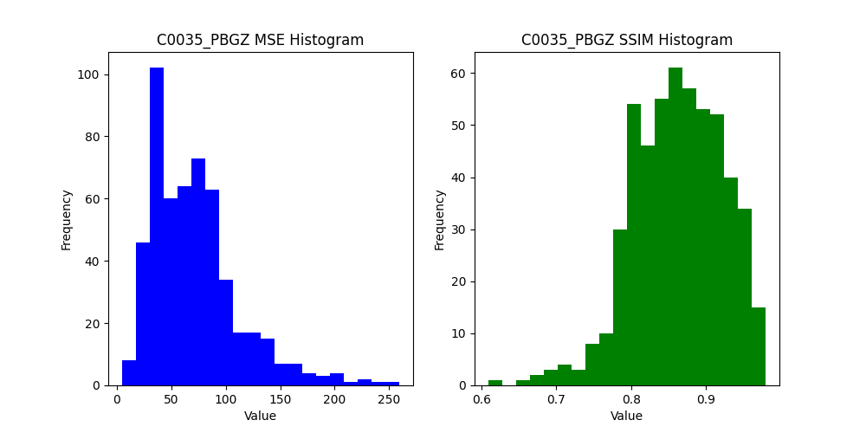
X | Y | Width | Height | MSE_PBGZ | SSIM_PBGZ | MSE_Places2 | SSIM_Places2 | MSE_Wavelet | SSIM_Wavelet
500 | 500 | 12 | 12 | 80.773148148 | 0.67119739846 | 80.773148148 | 0.67119739846 | 69.085648148 | 0.53129882369
477 | 500 | 20 | 12 | 58.019444444 | 0.87228142627 | 58.019444444 | 0.87228142627 | 41.775 | 0.66781422643
454 | 500 | 20 | 12 | 7.7541666667 | 0.95003656435 | 7.7541666667 | 0.95003656435 | 26.938888889 | 0.71729680776
431 | 500 | 20 | 12 | 4.7861111111 | 0.96648716797 | 4.7861111111 | 0.96648716797 | 29.679166667 | 0.70366607383
408 | 500 | 20 | 12 | 20.604166667 | 0.88471301415 | 20.604166667 | 0.88471301415 | 29.041666667 | 0.70108674092
385 | 500 | 20 | 12 | 100.64722222 | 0.87430562009 | 99.961111111 | 0.87493634783 | 92.125 | 0.88659485631
362 | 500 | 20 | 12 | 109.69583333 | 0.89591307433 | 109.27777778 | 0.90086004995 | 83.568055556 | 0.90890873756
339 | 500 | 20 | 12 | 58.393055556 | 0.79336883544 | 57.677777778 | 0.81411743985 | 37.934722222 | 0.84304914267
316 | 500 | 20 | 12 | 70.4375 | 0.92157499882 | 70.345833333 | 0.92166215817 | 74.008333333 | 0.87090831692
293 | 500 | 20 | 12 | 122.78611111 | 0.9415124447 | 122.10694444 | 0.9416621283 | 74.197222222 | 0.92400489431
270 | 500 | 20 | 12 | 92.065277778 | 0.89332094206 | 92.563888889 | 0.893398934 | 54.623611111 | 0.90181758744
247 | 500 | 20 | 12 | 38.975 | 0.68890437138 | 39.381944444 | 0.72984250197 | 23.225 | 0.80309870278
224 | 500 | 20 | 12 | 43.490277778 | 0.79222342567 | 43.108333333 | 0.81651123103 | 28.379166667 | 0.82743091319
201 | 500 | 20 | 12 | 98.304166667 | 0.86697550031 | 97.85 | 0.87089250027 | 71.786111111 | 0.87248397366
178 | 500 | 20 | 12 | 92.394444444 | 0.80580073757 | 90.998611111 | 0.82880128036 | 43.477777778 | 0.86901738083
155 | 500 | 20 | 12 | 70.793055556 | 0.84099609995 | 70.980555556 | 0.85417590922 | 43.577777778 | 0.82573127652
132 | 500 | 20 | 12 | 59.194444444 | 0.83096005315 | 58.323611111 | 0.83148607319 | 52.213888889 | 0.77807002833
109 | 500 | 20 | 12 | 35.188888889 | 0.83650901398 | 34.9625 | 0.82302856736 | 38.325 | 0.81959760799
86 | 500 | 20 | 12 | 38.494444444 | 0.8141622188 | 40.651388889 | 0.74856087535 | 37.945833333 | 0.79577416484
63 | 500 | 20 | 12 | 71.434722222 | 0.83208906378 | 71.091666667 | 0.83562902909 | 49.131944444 | 0.80222538389
40 | 500 | 20 | 12 | 97.354166667 | 0.85606782041 | 99.129166667 | 0.84704789481 | 51.038888889 | 0.89272738207
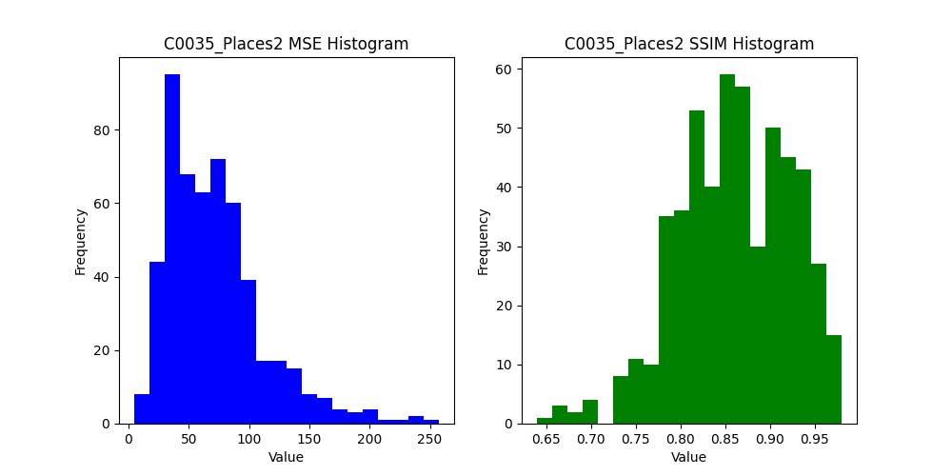
16 | 500 | 21 | 12 | 71.111111111 | 0.7487481864 | 72.985449735 | 0.74304834986 | 48.152116402 | 0.80828639056
0 | 500 | 13 | 12 | 165.24358974 | 0.9784627615 | 164.54700855 | 0.97886729575 | 93.700854701 | 0.97880642784
500 | 477 | 12 | 20 | 78.255555556 | 0.89835964054 | 78.343055556 | 0.89831223838 | 74.748611111 | 0.90517481157
477 | 477 | 20 | 20 | 48.700833333 | 0.88661247983 | 48.395 | 0.88662727069 | 20.3775 | 0.92538416559
454 | 477 | 20 | 20 | 42.874166667 | 0.85025922561 | 42.815 | 0.85027510512 | 28.499166667 | 0.89365325262
431 | 477 | 20 | 20 | 13.898333333 | 0.89981031453 | 13.898333333 | 0.89981031453 | 4.545 | 0.9686852254
408 | 477 | 20 | 20 | 37.6725 | 0.88625079229 | 37.6575 | 0.88625352336 | 20.478333333 | 0.93078816542
385 | 477 | 20 | 20 | 74.655833333 | 0.87139071802 | 74.808333333 | 0.87354064783 | 60.87 | 0.85985328861
362 | 477 | 20 | 20 | 75.345 | 0.85949578863 | 75.114166667 | 0.86653202119 | 51.899166667 | 0.88288714058
339 | 477 | 20 | 20 | 33.1 | 0.7805735687 | 33.0275 | 0.79924926781 | 29.468333333 | 0.78655991457
316 | 477 | 20 | 20 | 74.805 | 0.85904085514 | 74.27 | 0.85780022542 | 57.5925 | 0.86492401944
293 | 477 | 20 | 20 | 63.825833333 | 0.88615244146 | 63.2575 | 0.88821255999 | 42.7775 | 0.90769717256
270 | 477 | 20 | 20 | 19.979166667 | 0.84891888112 | 20.095833333 | 0.83356458248 | 15.59 | 0.83670148815
247 | 477 | 20 | 20 | 40.735833333 | 0.81670747293 | 40.416666667 | 0.80194906042 | 19.7125 | 0.82766688643
224 | 477 | 20 | 20 | 31.814166667 | 0.82669391531 | 32.025 | 0.85135735391 | 22.555 | 0.84272565172
201 | 477 | 20 | 20 | 89.526666667 | 0.92013229523 | 89.2725 | 0.92160085553 | 72.795833333 | 0.91561968362
178 | 477 | 20 | 20 | 37.1925 | 0.80828415759 | 36.7825 | 0.83384707865 | 20.716666667 | 0.8626254064
155 | 477 | 20 | 20 | 35.263333333 | 0.84163793018 | 35.791666667 | 0.84711930794 | 24.299166667 | 0.88831689986
132 | 477 | 20 | 20 | 84.545833333 | 0.91818962246 | 83.983333333 | 0.9194969069 | 52.786666667 | 0.92917738953
109 | 477 | 20 | 20 | 31.3275 | 0.83869073321 | 31.733333333 | 0.84190228207 | 21.145 | 0.85555981361
86 | 477 | 20 | 20 | 41.378333333 | 0.86233926968 | 41.075833333 | 0.86407388603 | 26.101666667 | 0.87856310608
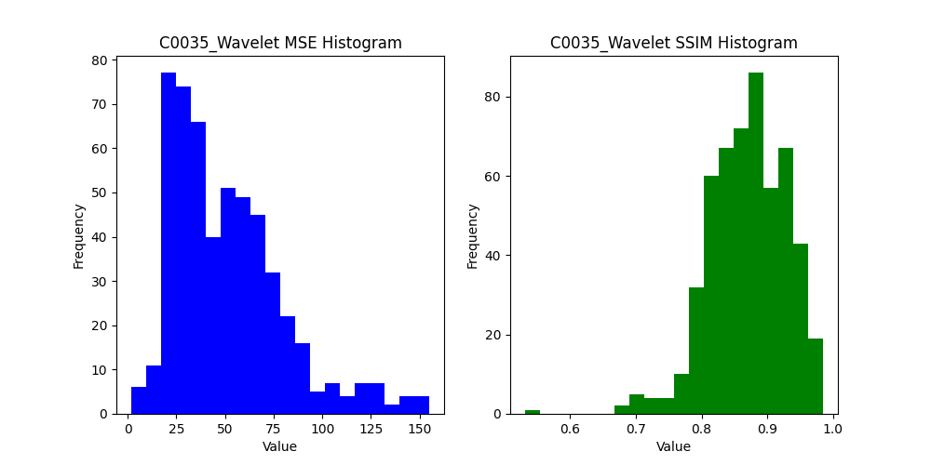
63 | 477 | 20 | 20 | 80.076666667 | 0.82380210264 | 80.068333333 | 0.82512361514 | 33.266666667 | 0.83259456937
40 | 477 | 20 | 20 | 138.9475 | 0.83856632127 | 137.78416667 | 0.84300725996 | 86.4925 | 0.83082003733
16 | 477 | 21 | 20 | 165.39444444 | 0.96288206222 | 164.70793651 | 0.96336224216 | 136.29603175 | 0.96817500295
0 | 477 | 13 | 20 | 129.07820513 | 0.91860807023 | 129.11923077 | 0.92498495124 | 98.171794872 | 0.89626209512
500 | 454 | 12 | 20 | 121.225 | 0.74996394583 | 123.03611111 | 0.74879056047 | 73.391666667 | 0.78497621451
477 | 454 | 20 | 20 | 39.710833333 | 0.92152240285 | 40.030833333 | 0.9215217938 | 28.5025 | 0.92645619929
454 | 454 | 20 | 20 | 65.585833333 | 0.90823647584 | 65.3625 | 0.90845008176 | 48.943333333 | 0.91107299653
431 | 454 | 20 | 20 | 62.309166667 | 0.95341071838 | 62.816666667 | 0.9537093965 | 61.8525 | 0.94675091134
408 | 454 | 20 | 20 | 93.41 | 0.92918797113 | 93.7875 | 0.93010801971 | 64.83 | 0.93857373028
385 | 454 | 20 | 20 | 98.645833333 | 0.87379842154 | 99.52 | 0.8735074015 | 64.470833333 | 0.88292164054
362 | 454 | 20 | 20 | 94.668333333 | 0.95107316067 | 94.875 | 0.95114988117 | 78.929166667 | 0.95196059174
339 | 454 | 20 | 20 | 65.085 | 0.78938434362 | 65.895 | 0.80063487503 | 38.298333333 | 0.7933291988
316 | 454 | 20 | 20 | 35.965833333 | 0.85530857335 | 35.769166667 | 0.8417055973 | 26.004166667 | 0.86791389612
293 | 454 | 20 | 20 | 50.885833333 | 0.7839277165 | 51.363333333 | 0.78426960373 | 25.270833333 | 0.8275003263
270 | 454 | 20 | 20 | 40.3675 | 0.79674625149 | 39.691666667 | 0.79809892016 | 21.525 | 0.82844137952
247 | 454 | 20 | 20 | 62.616666667 | 0.87120935999 | 63.46 | 0.87569231022 | 48.726666667 | 0.86472097004
224 | 454 | 20 | 20 | 73.981666667 | 0.87127402253 | 73.415833333 | 0.87410647381 | 51.83 | 0.89072075492
201 | 454 | 20 | 20 | 88.449166667 | 0.95305889982 | 88.664166667 | 0.9532384075 | 69.110833333 | 0.9598806196
178 | 454 | 20 | 20 | 84.103333333 | 0.93752755407 | 83.67 | 0.93762096971 | 60.980833333 | 0.93999990007
155 | 454 | 20 | 20 | 57.624166667 | 0.87864572245 | 57.670833333 | 0.88161833013 | 54.266666667 | 0.89566808964
132 | 454 | 20 | 20 | 43.233333333 | 0.86684813768 | 42.9375 | 0.86767982014 | 23.430833333 | 0.89746531903
109 | 454 | 20 | 20 | 38.879166667 | 0.79857828367 | 39.125833333 | 0.78902848535 | 23.504166667 | 0.84519414411
86 | 454 | 20 | 20 | 84.8275 | 0.88553074637 | 84.005833333 | 0.88905639356 | 55.755833333 | 0.8862233753
63 | 454 | 20 | 20 | 171.15166667 | 0.83976207611 | 169.185 | 0.84390868864 | 99.974166667 | 0.87854776635
40 | 454 | 20 | 20 | 168.49666667 | 0.96453073254 | 167.79 | 0.96523154028 | 153.51166667 | 0.96648866516
16 | 454 | 21 | 20 | 132.97063492 | 0.87525943275 | 132.78015873 | 0.8762485932 | 69.799206349 | 0.8977183427
0 | 454 | 13 | 20 | 42.819230769 | 0.83253976105 | 43.107692308 | 0.82569335762 | 30.732051282 | 0.81413852206
500 | 431 | 12 | 20 | 52.3125 | 0.78110146416 | 52.3125 | 0.78110146416 | 43.323611111 | 0.66868095392
477 | 431 | 20 | 20 | 50.683333333 | 0.86811227718 | 51.1475 | 0.86810893573 | 15.3425 | 0.93808593654
454 | 431 | 20 | 20 | 80.723333333 | 0.93929318672 | 80.541666667 | 0.93941408424 | 55.835833333 | 0.9547812427
431 | 431 | 20 | 20 | 57.9075 | 0.92337225167 | 58.18 | 0.92401144511 | 48.4225 | 0.92123095518
408 | 431 | 20 | 20 | 75.329166667 | 0.89835421653 | 75.6725 | 0.89834539583 | 58.003333333 | 0.88958175159
385 | 431 | 20 | 20 | 98.074166667 | 0.94269952885 | 97.933333333 | 0.94273933574 | 88.880833333 | 0.94686627039
362 | 431 | 20 | 20 | 59.366666667 | 0.91385912027 | 59.756666667 | 0.91865124805 | 54.083333333 | 0.90339048661
339 | 431 | 20 | 20 | 77.990833333 | 0.84888329996 | 77.685833333 | 0.85137351646 | 60.251666667 | 0.86780796569
316 | 431 | 20 | 20 | 77.859166667 | 0.89966278251 | 77.789166667 | 0.90265288576 | 65.625 | 0.90531266608
293 | 431 | 20 | 20 | 92.369166667 | 0.84015514186 | 91.851666667 | 0.84511209007 | 50.940833333 | 0.87752530282
270 | 431 | 20 | 20 | 76.805 | 0.9213962063 | 76.615 | 0.92245230942 | 61.664166667 | 0.93245904243
247 | 431 | 20 | 20 | 83.856666667 | 0.95616902507 | 82.9175 | 0.9566293624 | 70.0625 | 0.95666925812
224 | 431 | 20 | 20 | 70.395833333 | 0.80752724062 | 70.144166667 | 0.81213216736 | 46.876666667 | 0.81377975414
201 | 431 | 20 | 20 | 87.373333333 | 0.89524749927 | 87.005 | 0.89972706781 | 50.486666667 | 0.92329242865
178 | 431 | 20 | 20 | 49.693333333 | 0.86922266335 | 49.8225 | 0.87397444636 | 35.8375 | 0.86724398677
155 | 431 | 20 | 20 | 30.685 | 0.84448404979 | 30.594166667 | 0.85064287622 | 22.3825 | 0.84061527877
132 | 431 | 20 | 20 | 34.851666667 | 0.84863775753 | 35.179166667 | 0.84037950401 | 21.82 | 0.85956712715
109 | 431 | 20 | 20 | 78.1 | 0.8014563738 | 77.595 | 0.80361210182 | 72.456666667 | 0.81827836319
86 | 431 | 20 | 20 | 128.44083333 | 0.90403717666 | 127.94583333 | 0.90520457199 | 105.78833333 | 0.90890752367
63 | 431 | 20 | 20 | 125.47 | 0.9684044078 | 126.04833333 | 0.96924352313 | 104.41333333 | 0.9678236889
40 | 431 | 20 | 20 | 120.5075 | 0.68861871261 | 119.12333333 | 0.70631832379 | 64.346666667 | 0.81459947212
16 | 431 | 21 | 20 | 103.32857143 | 0.8907754602 | 103.0952381 | 0.89111124409 | 85.49047619 | 0.87327913539
0 | 431 | 13 | 20 | 41.791025641 | 0.83634198095 | 41.523076923 | 0.85026384315 | 49.96025641 | 0.83007742082
500 | 408 | 12 | 20 | 11.976388889 | 0.92933779573 | 11.976388889 | 0.92933779573 | 30.208333333 | 0.70525025865
477 | 408 | 20 | 20 | 10.1225 | 0.93938168587 | 10.1225 | 0.93938168587 | 3.515 | 0.9806426598
454 | 408 | 20 | 20 | 22.475 | 0.90005748632 | 22.475 | 0.90005748632 | 5.6566666667 | 0.95759650903
431 | 408 | 20 | 20 | 49.651666667 | 0.86695416109 | 49.651666667 | 0.86695416109 | 34.556666667 | 0.8621796743
408 | 408 | 20 | 20 | 93.87 | 0.94956535809 | 94.249166667 | 0.94961769909 | 80.319166667 | 0.94726304036
385 | 408 | 20 | 20 | 64.859166667 | 0.90807627529 | 65.249166667 | 0.90807544125 | 50.408333333 | 0.92243734758
362 | 408 | 20 | 20 | 89.46 | 0.91031635068 | 89.975 | 0.91054212071 | 69.71 | 0.90959961701
339 | 408 | 20 | 20 | 69.468333333 | 0.90224047219 | 69.314166667 | 0.90554526458 | 56.576666667 | 0.92144233986
316 | 408 | 20 | 20 | 62.4925 | 0.87844179878 | 62.818333333 | 0.88257654565 | 57.219166667 | 0.87674507974
293 | 408 | 20 | 20 | 93.485833333 | 0.88033347346 | 92.97 | 0.88575260734 | 67.608333333 | 0.89354492999
270 | 408 | 20 | 20 | 55.973333333 | 0.8771381901 | 55.898333333 | 0.88532372432 | 41.1175 | 0.87833860282
247 | 408 | 20 | 20 | 91.091666667 | 0.87832339393 | 90.6975 | 0.88049008156 | 79.861666667 | 0.89335772123
224 | 408 | 20 | 20 | 54.741666667 | 0.80447242699 | 54.3275 | 0.80453935306 | 32.913333333 | 0.82189634326
201 | 408 | 20 | 20 | 46.963333333 | 0.85290641595 | 47.026666667 | 0.84214322819 | 32.245833333 | 0.86911637708
178 | 408 | 20 | 20 | 46.28 | 0.84778804001 | 46.184166667 | 0.84301526141 | 27.289166667 | 0.85097446922
155 | 408 | 20 | 20 | 85.555 | 0.8532671112 | 85.7975 | 0.85720967948 | 63.154166667 | 0.84663688233
132 | 408 | 20 | 20 | 129.83583333 | 0.92194439385 | 130.08833333 | 0.92268758979 | 111.22916667 | 0.91381050985
109 | 408 | 20 | 20 | 68.8575 | 0.89549507391 | 68.389166667 | 0.89514370388 | 61.479166667 | 0.88033771457
86 | 408 | 20 | 20 | 199.76666667 | 0.96405567128 | 200.7425 | 0.96405511604 | 143.76416667 | 0.96475295928
63 | 408 | 20 | 20 | 104.70666667 | 0.93180260345 | 104.70583333 | 0.93174417388 | 82.035 | 0.94086654263
40 | 408 | 20 | 20 | 85.440833333 | 0.89124446906 | 85.269166667 | 0.89126622489 | 62.2475 | 0.9115926053
16 | 408 | 21 | 20 | 77.236507937 | 0.82182387684 | 77.236507937 | 0.82182387684 | 40.381746032 | 0.86096576661
0 | 408 | 13 | 20 | 67.020512821 | 0.94453564629 | 66.678205128 | 0.94463453474 | 65.906410256 | 0.91341998311
500 | 385 | 12 | 20 | 65.179166667 | 0.91808816912 | 64.601388889 | 0.91813890728 | 67.686111111 | 0.88898584969
477 | 385 | 20 | 20 | 51.441666667 | 0.89816416297 | 51.304166667 | 0.89817333722 | 36.688333333 | 0.9094304694
454 | 385 | 20 | 20 | 46.136666667 | 0.87348079933 | 45.948333333 | 0.87348831933 | 36.3425 | 0.87682875685
431 | 385 | 20 | 20 | 14.895833333 | 0.90371647049 | 14.895833333 | 0.90371647049 | 5.7058333333 | 0.93537729879
408 | 385 | 20 | 20 | 63.761666667 | 0.90691049395 | 63.7475 | 0.90827629278 | 49.4925 | 0.91709275579
385 | 385 | 20 | 20 | 82.904166667 | 0.94759642829 | 83.040833333 | 0.94824978057 | 64.7225 | 0.95396257089
362 | 385 | 20 | 20 | 40.36 | 0.84266929636 | 40.576666667 | 0.85592303207 | 23.605833333 | 0.88452351628
339 | 385 | 20 | 20 | 32.919166667 | 0.79476794883 | 33.2475 | 0.77193563937 | 27.48 | 0.79855257594
316 | 385 | 20 | 20 | 45.051666667 | 0.88387357805 | 44.658333333 | 0.89593006239 | 34.998333333 | 0.89173272723
293 | 385 | 20 | 20 | 29.6525 | 0.81483144888 | 29.323333333 | 0.82797358323 | 21.234166667 | 0.83312222673
270 | 385 | 20 | 20 | 48.598333333 | 0.81470773434 | 48.303333333 | 0.81835937908 | 31.4225 | 0.83030717636
247 | 385 | 20 | 20 | 103.18416667 | 0.90518310076 | 102.91 | 0.90706141495 | 86.688333333 | 0.89773295283
224 | 385 | 20 | 20 | 73.261666667 | 0.85618297144 | 73.819166667 | 0.85666888002 | 59.055 | 0.8692339721
201 | 385 | 20 | 20 | 69.171666667 | 0.84878674986 | 69.348333333 | 0.85548354581 | 55.326666667 | 0.84569942604
178 | 385 | 20 | 20 | 87.4525 | 0.77882881725 | 86.8275 | 0.80103309262 | 39.038333333 | 0.88235621665
155 | 385 | 20 | 20 | 146.60333333 | 0.93357972547 | 146.2525 | 0.93477225386 | 130.935 | 0.92593823538
132 | 385 | 20 | 20 | 141.87333333 | 0.94891029577 | 142.06166667 | 0.94903150279 | 143.97 | 0.94895394867
109 | 385 | 20 | 20 | 62.334166667 | 0.79682325665 | 62.334166667 | 0.79682325665 | 18.156666667 | 0.92512360606
86 | 385 | 20 | 20 | 65.005 | 0.81974511303 | 65.005 | 0.81974511303 | 35.4225 | 0.87789991463
63 | 385 | 20 | 20 | 84.125 | 0.97701447384 | 84.184166667 | 0.97712148502 | 82.25 | 0.97226645464
40 | 385 | 20 | 20 | 67.786666667 | 0.86061605947 | 67.736666667 | 0.86064182132 | 53.109166667 | 0.88146568173
16 | 385 | 21 | 20 | 74.600793651 | 0.81426430074 | 74.60952381 | 0.81426322364 | 38.311904762 | 0.86755458719
0 | 385 | 13 | 20 | 85.966666667 | 0.97015144022 | 86.162820513 | 0.97017610188 | 68.302564103 | 0.97281572921
500 | 362 | 12 | 20 | 48.156944444 | 0.60902004588 | 47.613888889 | 0.63912780886 | 33.25 | 0.74170306732
477 | 362 | 20 | 20 | 49.966666667 | 0.92159398199 | 49.809166667 | 0.92278799682 | 52.4625 | 0.91892503376
454 | 362 | 20 | 20 | 75.499166667 | 0.90711850097 | 75.695833333 | 0.90902915813 | 63.125833333 | 0.91081367873
431 | 362 | 20 | 20 | 43.406666667 | 0.82295289729 | 43.394166667 | 0.82295315887 | 27.058333333 | 0.86601174609
408 | 362 | 20 | 20 | 99.4575 | 0.9310599396 | 99.191666667 | 0.93184442003 | 76.246666667 | 0.93614693939
385 | 362 | 20 | 20 | 92.289166667 | 0.89026668488 | 91.769166667 | 0.89100497987 | 67.6575 | 0.88020900812
362 | 362 | 20 | 20 | 55.841666667 | 0.86411756977 | 56.0175 | 0.87198011235 | 38.315833333 | 0.88640199859
339 | 362 | 20 | 20 | 27.338333333 | 0.85478626811 | 27.334166667 | 0.82336798096 | 22.296666667 | 0.84945459428
316 | 362 | 20 | 20 | 23.5475 | 0.78923090978 | 23.105 | 0.78914709362 | 21.4425 | 0.80517905148
293 | 362 | 20 | 20 | 41.794166667 | 0.79033547109 | 41.2525 | 0.79776177939 | 24.083333333 | 0.80433563821
270 | 362 | 20 | 20 | 93.0675 | 0.95229380652 | 92.724166667 | 0.95338275685 | 85.51 | 0.95118413664
247 | 362 | 20 | 20 | 82.089166667 | 0.90918786421 | 80.978333333 | 0.91318841988 | 68.033333333 | 0.92061585191
224 | 362 | 20 | 20 | 69.860833333 | 0.83332766179 | 69.193333333 | 0.84440706153 | 49.201666667 | 0.8631749679
201 | 362 | 20 | 20 | 89.076666667 | 0.85173212021 | 89.6275 | 0.84446849136 | 38.134166667 | 0.86736036993
178 | 362 | 20 | 20 | 192.1025 | 0.76491996338 | 191.20166667 | 0.77002897065 | 85.5125 | 0.78978591338
155 | 362 | 20 | 20 | 232.40916667 | 0.95611495562 | 233.05166667 | 0.95657193909 | 127.8 | 0.96465848496
132 | 362 | 20 | 20 | 77.685 | 0.78278254147 | 78.073333333 | 0.78277295749 | 35.429166667 | 0.85592246985
109 | 362 | 20 | 20 | 86.9325 | 0.86800621107 | 87.015 | 0.86799722389 | 55.571666667 | 0.88559138604
86 | 362 | 20 | 20 | 103.35833333 | 0.93140449615 | 103.36 | 0.9314183654 | 75.6175 | 0.93050960221
63 | 362 | 20 | 20 | 65.3675 | 0.8107155068 | 65.4575 | 0.81983220344 | 39.436666667 | 0.80869681451
40 | 362 | 20 | 20 | 93.4175 | 0.94087267204 | 93.43 | 0.94133195678 | 78.215833333 | 0.94978496508
16 | 362 | 21 | 20 | 95.355555556 | 0.9302738668 | 95.29047619 | 0.93106559809 | 53.431746032 | 0.93639169278
0 | 362 | 13 | 20 | 73.511538462 | 0.93640352085 | 73.570512821 | 0.93642198348 | 67.703846154 | 0.93120504198
500 | 340 | 12 | 19 | 103.95321637 | 0.84662028218 | 102.59210526 | 0.85129091975 | 67.09502924 | 0.86199159693
477 | 340 | 20 | 19 | 78.028947368 | 0.94649575629 | 78.207894737 | 0.94653470517 | 77.415789474 | 0.93536046345
454 | 340 | 20 | 19 | 68.851754386 | 0.91924255098 | 68.120175439 | 0.92063361311 | 58.675438596 | 0.92740401261
431 | 340 | 20 | 19 | 73.987719298 | 0.94477837514 | 73.428947368 | 0.94587597101 | 66.298245614 | 0.95126089642
408 | 340 | 20 | 19 | 54.885964912 | 0.91346676305 | 54.752631579 | 0.91347953394 | 46.481578947 | 0.90356095333
385 | 340 | 20 | 19 | 81.792982456 | 0.93495932991 | 81.434210526 | 0.93501159993 | 74.057894737 | 0.9246599739
362 | 340 | 20 | 19 | 55.821052632 | 0.91403253801 | 55.601754386 | 0.91581226146 | 48.690350877 | 0.90525259444
...

C0069
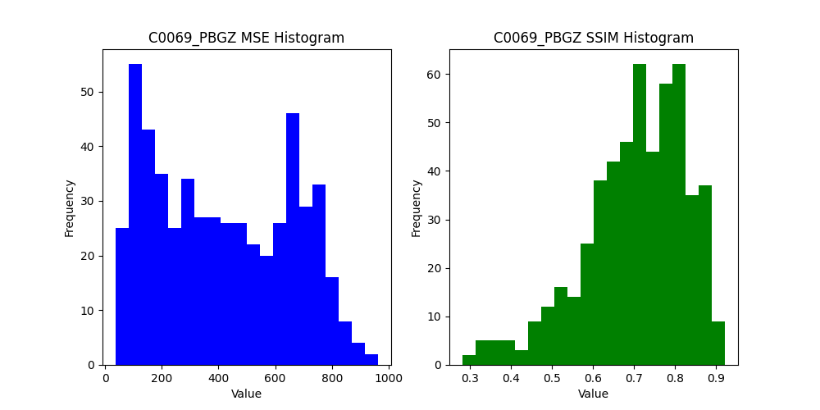
SSIM_PBGZ | MSE_Places2 | SSIM_Places2 | MSE_Wavelet | SSIM_Wavelet
0.67747057399 | 761.53009259 | 0.67748033788 | 495.00925926 | 0.6249694145
0.28222983814 | 724.77777778 | 0.28222983814 | 475.78472222 | 0.60358449724
0.64226227168 | 851.13333333 | 0.64226227168 | 607.525 | 0.7722696171
0.87560805904 | 738.12638889 | 0.87591193251 | 479.97083333 | 0.91122908673
0.74333457149 | 797.71805556 | 0.74338943315 | 613.8375 | 0.78672770417
0.69157850893 | 704.33611111 | 0.69171692162 | 401.4625 | 0.84163782185
0.36883605439 | 913.78194444 | 0.36883605439 | 512.93333333 | 0.77410201615
0.42069971314 | 875.20555556 | 0.42069971314 | 546.77361111 | 0.68597247094
0.86736477143 | 766.87083333 | 0.86793451866 | 389.59722222 | 0.93092438934
0.55418401606 | 314.60277778 | 0.55434687374 | 311.24444444 | 0.5771347732
0.60029784929 | 357.85972222 | 0.60029784929 | 351.55138889 | 0.6189040376
0.76871526876 | 506.60694444 | 0.76941736759 | 419.52083333 | 0.74110322473
0.81388288035 | 518.64305556 | 0.81466896918 | 435.525 | 0.83651677379
0.70228218487 | 679.42222222 | 0.70254960525 | 399.1125 | 0.78317859953
0.33414109459 | 596.425 | 0.33414109459 | 412.58194444 | 0.66200891856
0.73628983816 | 716.85 | 0.73692331059 | 570.25972222 | 0.79472557413
0.63293418941 | 359.48888889 | 0.6393641019 | 234.3625 | 0.6502638668
0.68375856097 | 777.66111111 | 0.68423970722 | 473.98611111 | 0.79402528114
0.8236302188 | 747.31527778 | 0.82412126844 | 632.06944444 | 0.8361006379
0.88119230812 | 495.43194444 | 0.88148229271 | 519.66527778 | 0.87898544796
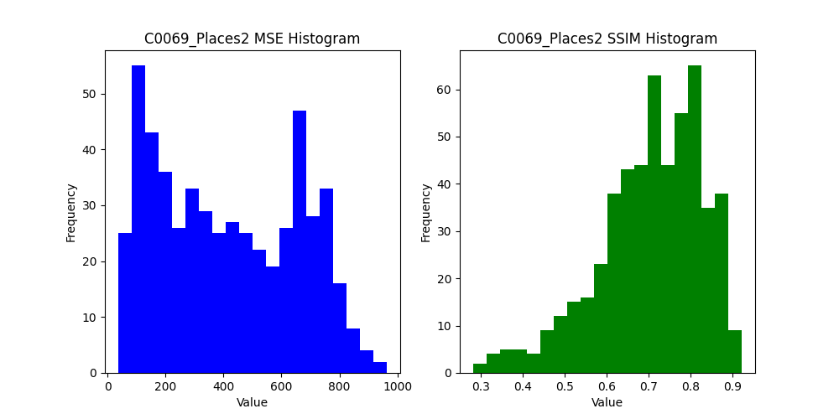
0.80023416139 | 654.32083333 | 0.80075239617 | 528.42083333 | 0.79100135632
0.76709470904 | 456.93915344 | 0.76713128911 | 298.94444444 | 0.84427355997
0.48929467618 | 548.46153846 | 0.48937209043 | 431.8482906 | 0.54438335854
0.53113488191 | 809.07916667 | 0.53113363851 | 461.84722222 | 0.73126689496
0.71593682129 | 779.25666667 | 0.71603520695 | 488.1125 | 0.79008727393
0.63010922284 | 798.2025 | 0.63017087337 | 567.2975 | 0.7002117224
0.76578817271 | 737.04666667 | 0.76593772619 | 471.78166667 | 0.80152541063
0.76007775663 | 659.31166667 | 0.76020560772 | 411.79083333 | 0.79054008471
0.81916086206 | 744.4425 | 0.8195712253 | 547.71583333 | 0.85575385435
0.8101756332 | 830.25083333 | 0.81046916865 | 639.725 | 0.79393622959
0.78590098494 | 922.22 | 0.78629838217 | 611.48583333 | 0.8197751075
0.58329072652 | 583.57083333 | 0.5832878707 | 354.81166667 | 0.73425829085
0.6967161001 | 656.0425 | 0.69699314554 | 377.57833333 | 0.77516568655
0.67342971057 | 614.685 | 0.67345613201 | 509.1675 | 0.66280640321
0.78016564696 | 359.89166667 | 0.78040930444 | 316.0025 | 0.75049263141
0.78252840636 | 647.14666667 | 0.78289858641 | 490.06916667 | 0.77789566935
0.77254990397 | 732.88916667 | 0.77281015398 | 529.05 | 0.79646298028
0.65098269247 | 719.64083333 | 0.65096547407 | 490.865 | 0.75591135607
0.66518760489 | 832.51 | 0.66555402703 | 574.61666667 | 0.74368344622
0.61315793429 | 545.56416667 | 0.61479180537 | 229.83166667 | 0.76115033726
0.62091676064 | 653.40166667 | 0.62128564667 | 411.26 | 0.73416875538
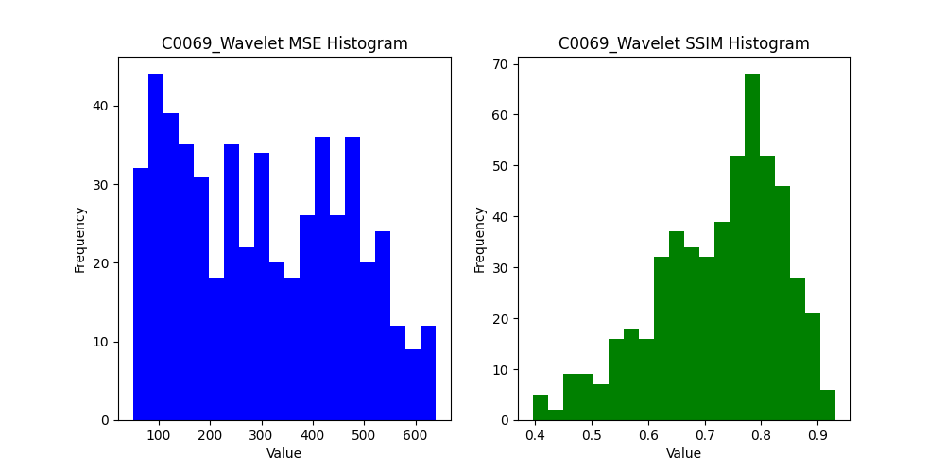
0.73143236145 | 820.4525 | 0.73152288488 | 639.29583333 | 0.71848486571
0.87297603008 | 598.88583333 | 0.87387531157 | 477.90083333 | 0.88308943298
0.8297014762 | 589.01583333 | 0.83096836271 | 458.18166667 | 0.83240079257
0.77200433655 | 712.31507937 | 0.77209307869 | 469.98253968 | 0.79974746461
0.82973654412 | 507.01153846 | 0.83103311331 | 450.27820513 | 0.81690445728
0.81265787503 | 795.85416667 | 0.81265555826 | 389.86388889 | 0.89107854123
0.84822184123 | 740.87333333 | 0.8484018811 | 517.685 | 0.86436452557
0.88756083765 | 668.1925 | 0.88783078536 | 499.60833333 | 0.89810857549
0.46809849501 | 679.75833333 | 0.46809849501 | 428.435 | 0.54807660241
0.81599436365 | 629.70583333 | 0.81623179497 | 432.06416667 | 0.81097283614
0.59116466151 | 720.7375 | 0.59116466151 | 457.6275 | 0.68957775942
0.86872047562 | 676.875 | 0.86912333324 | 370.55666667 | 0.88844595545
0.67149855486 | 655.22666667 | 0.67152965376 | 410.39 | 0.66364759492
0.64354219982 | 681.27083333 | 0.64352816527 | 402.62583333 | 0.74007160053
0.85008795198 | 671.76 | 0.85022222317 | 535.38416667 | 0.86339015067
0.67475747882 | 653.75916667 | 0.67486519185 | 490.4225 | 0.67576437723
0.71706901869 | 597.35833333 | 0.71746918035 | 293.75333333 | 0.83488570998
0.83944234103 | 824.8125 | 0.83961821117 | 518.91833333 | 0.85911987321
0.64370943679 | 820.32833333 | 0.64378547881 | 639.825 | 0.59569040146
0.6504712282 | 841.06083333 | 0.65063964462 | 440.83 | 0.71201370879
0.82664404297 | 760.5375 | 0.82691000191 | 548.04916667 | 0.83283323021
0.61685787299 | 682.58416667 | 0.61706392311 | 360.47916667 | 0.757571748
0.85283880896 | 682.58416667 | 0.85341202215 | 471.95916667 | 0.86921622308
0.84541627415 | 723.42666667 | 0.84587266354 | 449.47083333 | 0.87632520165
0.73650962815 | 761.61666667 | 0.73662811936 | 563.78 | 0.70746768449
0.8830098218 | 641.73166667 | 0.88347113841 | 425.96166667 | 0.89261175432
0.62866688544 | 681.42698413 | 0.62878397399 | 461.02460317 | 0.71014619484
0.70125085183 | 488.66794872 | 0.7012368602 | 323.86794872 | 0.77789676167
0.6446505444 | 544.48055556 | 0.6446505444 | 439.92916667 | 0.57176788357
0.7846422262 | 668.95666667 | 0.78463084181 | 409.62 | 0.82779934128
0.87067096203 | 825.34333333 | 0.8707921777 | 468.25833333 | 0.90878947716
0.81163761 | 627.33166667 | 0.8117259303 | 455.11166667 | 0.82422930072
0.86782820105 | 656.625 | 0.8679298651 | 415.46333333 | 0.83581365452
...

C0085
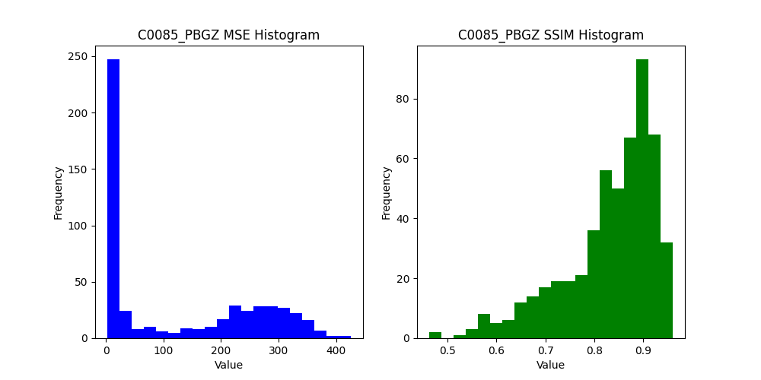
SSIM_PBGZ | MSE_Places2 | SSIM_Places2 | MSE_Wavelet | SSIM_Wavelet
0.67917470421 | 215.89814815 | 0.6783970913 | 172.44907407 | 0.70761552903
0.55910507071 | 158.06388889 | 0.56037143519 | 92.518055556 | 0.74973449279
0.56271999332 | 127.82916667 | 0.56244815522 | 113.93888889 | 0.66680118157
0.66082397778 | 85.315277778 | 0.66082397778 | 80.197222222 | 0.66205591753
0.91447317021 | 9.5638888889 | 0.91447317021 | 20.758333333 | 0.74571527078
0.82997765673 | 18.647222222 | 0.82994754989 | 31.630555556 | 0.76077030479
0.89847541191 | 11.048611111 | 0.89847541191 | 24.593055556 | 0.75676414464
0.84177001168 | 14.548611111 | 0.84177001168 | 30.169444444 | 0.69863600014
0.86497854731 | 12.891666667 | 0.86497854731 | 19.815277778 | 0.77704491494
0.84655905535 | 14.225 | 0.84652927012 | 23.080555556 | 0.75568112789
0.82646992863 | 17.872222222 | 0.82571793106 | 29.793055556 | 0.72935469416
0.89979917762 | 11.166666667 | 0.89979917762 | 24.301388889 | 0.71076543113
0.85712703244 | 15.909722222 | 0.85712703244 | 29.159722222 | 0.71406335995
0.82420165726 | 18.509722222 | 0.81964692402 | 31.190277778 | 0.6953064428
0.6607985935 | 66.597222222 | 0.65836240918 | 88.901388889 | 0.60893138861
0.71104976451 | 258.62361111 | 0.71586516045 | 120.59583333 | 0.88832211659
0.78679749632 | 231.98472222 | 0.79149786272 | 161.41666667 | 0.80032205341
0.58177275778 | 261.93333333 | 0.58764778746 | 149.56388889 | 0.81941168947
0.72071571157 | 233.62777778 | 0.72253655387 | 137.08888889 | 0.78909650727
0.72779266674 | 233.94166667 | 0.72974518228 | 139.75694444 | 0.81127486615

0.57152870201 | 167.07361111 | 0.57642665778 | 149.47916667 | 0.62402396332
0.73709466161 | 187.78439153 | 0.74023050196 | 132.73148148 | 0.80404039752
0.66982179064 | 215.54273504 | 0.67455102769 | 98.205128205 | 0.75096088778
0.58418376365 | 119.89027778 | 0.58407222272 | 83.581944444 | 0.71686986362
0.73456459488 | 98.419166667 | 0.73467714958 | 78.260833333 | 0.74985504344
0.71305048513 | 79.550833333 | 0.71299755829 | 67.138333333 | 0.69709329901
0.74892188687 | 49.645833333 | 0.74855290522 | 36.69 | 0.79218216629
0.88994792677 | 11.661666667 | 0.88994792677 | 11.393333333 | 0.89073720991
0.92028608822 | 6.3575 | 0.92028608822 | 6.3075 | 0.92534229317
0.90391416593 | 6.6825 | 0.90391416593 | 7.34 | 0.90468850317
0.91840797654 | 6.0925 | 0.91840797654 | 6.6375 | 0.92063953669
0.89055477819 | 7.725 | 0.89048102542 | 8.0566666667 | 0.89051453687
0.88530864719 | 9.2933333333 | 0.88396268816 | 9.5233333333 | 0.89006561443
0.88437451409 | 9.7191666667 | 0.88419332218 | 9.9058333333 | 0.8869385228
0.88476061969 | 8.9025 | 0.8832074346 | 8.4333333333 | 0.8902543846
0.88640855395 | 9.7316666667 | 0.8866507494 | 9.9333333333 | 0.88939650486
0.88538378807 | 11.210833333 | 0.88411131228 | 10.385833333 | 0.89972387622
0.71900202371 | 62.2275 | 0.71118488802 | 23.79 | 0.82204863521
0.79835905941 | 224.37 | 0.7989692008 | 143.23166667 | 0.84338977178
0.74283097298 | 211.67416667 | 0.74336968015 | 163.15916667 | 0.72030900461
0.74692895761 | 211.46 | 0.74798205279 | 123.48583333 | 0.77866317469
0.74378179224 | 228.47166667 | 0.74440284089 | 154.2125 | 0.78326454642
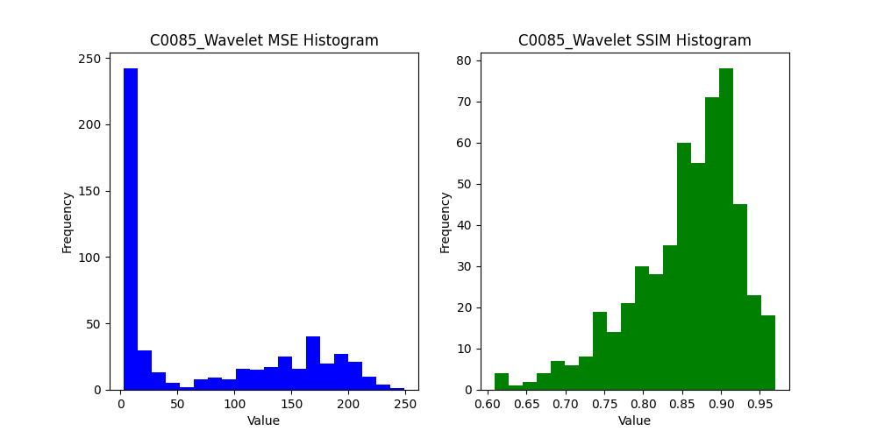
0.82399584061 | 199.12833333 | 0.82516302507 | 158.135 | 0.83247497101
0.77730476171 | 193.53 | 0.78040817629 | 144.47416667 | 0.81023370492
0.65288386194 | 194.31111111 | 0.65805707211 | 110.89920635 | 0.67272377906
0.70723001046 | 277.76794872 | 0.71216065583 | 110.49102564 | 0.86502117935
0.77602980675 | 51.434722222 | 0.77602980675 | 51.093055556 | 0.73974906207
0.83083434479 | 31.709166667 | 0.83049825071 | 26.3125 | 0.84264665724
0.85213069538 | 18.436666667 | 0.85209559156 | 21.040833333 | 0.85806439024
0.86434370227 | 24.324166667 | 0.86434370227 | 19.205833333 | 0.87459353576
0.91883556871 | 6.2883333333 | 0.91883556871 | 9.2525 | 0.91025542687
0.92171232919 | 5.5741666667 | 0.92171232919 | 5.7591666667 | 0.91828933889
0.92158930268 | 5.8758333333 | 0.92158930268 | 6.0558333333 | 0.92510249513
 | 8.8091666667 | 0.8867966016 | 9.1841666667 | 0.88352981564
 | 8.77 | 0.88110131532 | 9.6316666667 | 0.88009549263
 | 10.500833333 | 0.86997990574 | 10.398333333 | 0.86908501532
 | 9.9041666667 | 0.87937346565 | 10.730833333 | 0.87880410096
 | 12.884166667 | 0.85427380107 | 12.941666667 | 0.85531388351
 | 13.755 | 0.83958950724 | 13.039166667 | 0.84484687065
 | 13.028333333 | 0.86001392207 | 12.9125 | 0.86941633176
 | 167.03 | 0.68233998678 | 43.2 | 0.79544218168
 | 281.39166667 | 0.81043134298 | 167.46833333 | 0.87369691661
 | 210.21 | 0.69986057741 | 136.57416667 | 0.79486169608
 | 206.4275 | 0.76903434326 | 148.755 | 0.78051126016
 | 266.92916667 | 0.83355382071 | 155.00083333 | 0.85108246995
 | 199.87666667 | 0.79734397731 | 139.8975 | 0.83784823056
 | 260.56333333 | 0.6267212471 | 151.86 | 0.74749622517
 | 210.58968254 | 0.57588525304 | 132.6047619 | 0.60984849109
 | 211.40641026 | 0.70313345072 | 146.28589744 | 0.77417441286
 | 23.0875 | 0.82061651575 | 23.804166667 | 0.76448127062
 | 12.580833333 | 0.89622715521 | 10.053333333 | 0.90108171
 | 8.465 | 0.89582999497 | 9.2958333333 | 0.89825431805
 | 9.295 | 0.87861154416 | 10.19 | 0.87436967815
 | 6.8533333333 | 0.91048149292 | 7.5908333333 | 0.90724214968
 | 6.2166666667 | 0.91477875046 | 7.6316666667 | 0.9146693276
...

C0101
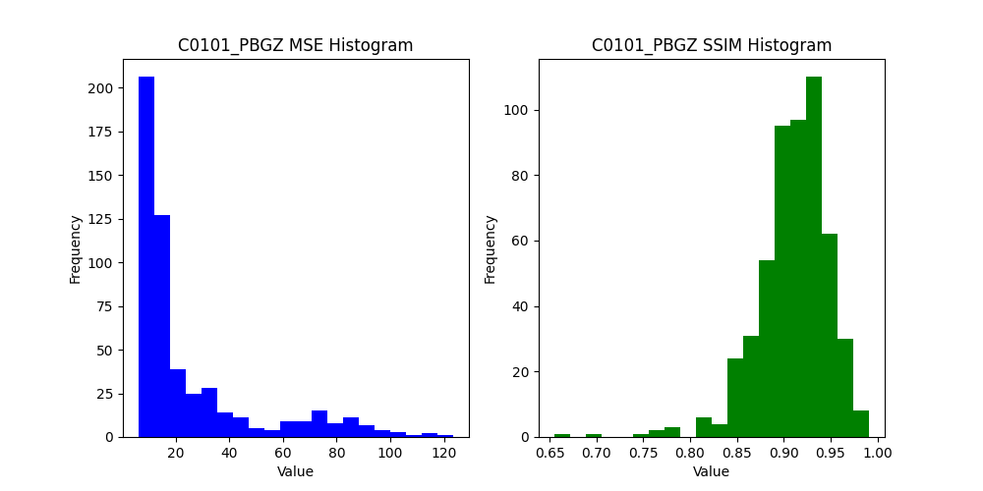
 | SSIM_PBGZ | MSE_Places2 | SSIM_Places2 | MSE_Wavelet | SSIM_Wavelet
 | 0.82099452167 | 29.550925926 | 0.82099452167 | 37.659722222 | 0.6717447867
 | 0.91809002003 | 8.3958333333 | 0.91809002003 | 21.580555556 | 0.77223668111
 | 0.94156110596 | 9.0347222222 | 0.94156110596 | 20.601388889 | 0.84037499991
 | 0.94866220166 | 10.955555556 | 0.94866220166 | 18.976388889 | 0.86716270654
 | 0.89292015835 | 61.313888889 | 0.89312884866 | 53.559722222 | 0.9033145122
 | 0.89385551475 | 22.454166667 | 0.89385551475 | 23.294444444 | 0.81374928892
 | 0.92700601554 | 10.865277778 | 0.92700601554 | 20.158333333 | 0.81186393949
 | 0.96005349393 | 10.479166667 | 0.96037133645 | 16.276388889 | 0.91779747571
 | 0.88360323246 | 17.838888889 | 0.88363318178 | 20.408333333 | 0.84530775494
 | 0.93421904268 | 9.6722222222 | 0.93420317862 | 17.891666667 | 0.84217976801
 | 0.9007442234 | 9.9361111111 | 0.9007442234 | 20.631944444 | 0.77802484208
9.0555555556 | 0.95470318184 | 9.0555555556 | 0.95470318184 | 21.831944444 | 0.85443103141
19.65 | 0.89857237178 | 19.65 | 0.89857237178 | 28.547222222 | 0.79285551648
19.595833333 | 0.92547719836 | 19.595833333 | 0.92547719836 | 33.290277778 | 0.81805621746
10.513888889 | 0.89354843484 | 10.513888889 | 0.89354843484 | 23.638888889 | 0.76050676871
7.3791666667 | 0.93114287909 | 7.3791666667 | 0.93114287909 | 16.036111111 | 0.7964882549
7.3611111111 | 0.91938852176 | 7.3611111111 | 0.91938852176 | 16.631944444 | 0.79995506333
11.441666667 | 0.92583685496 | 11.441666667 | 0.92583685496 | 22.127777778 | 0.83477571793
12.656944444 | 0.9159461861 | 12.656944444 | 0.9159461861 | 20.552777778 | 0.82697070935
11.311111111 | 0.94111498085 | 11.311111111 | 0.94111498085 | 22.475 | 0.8859053946
9.3847222222 | 0.92419907822 | 9.3847222222 | 0.92419907822 | 17.943055556 | 0.81099092348

13.398148148 | 0.87813735437 | 13.398148148 | 0.87813735437 | 20.542328042 | 0.766958313
25.931623932 | 0.84252983183 | 25.931623932 | 0.84252983183 | 22.636752137 | 0.75571730861
9.5736111111 | 0.90620277135 | 9.5736111111 | 0.90620277135 | 25.580555556 | 0.73969268779
9.4216666667 | 0.90766005571 | 9.4216666667 | 0.90766005571 | 10.510833333 | 0.91423460669
9.2433333333 | 0.89355506356 | 9.2433333333 | 0.89355506356 | 9.23 | 0.89933934097
8.5116666667 | 0.92675528273 | 8.5116666667 | 0.92675528273 | 11.229166667 | 0.90845801825
49.870833333 | 0.84713162263 | 49.884166667 | 0.84750255367 | 33.696666667 | 0.88563518918
20.335833333 | 0.90757228145 | 20.335833333 | 0.90757228145 | 16.435 | 0.90345122567
7.6066666667 | 0.92934289883 | 7.6066666667 | 0.92934289883 | 8.4783333333 | 0.92084278161
9.7833333333 | 0.91057480401 | 9.7833333333 | 0.91057480401 | 10.081666667 | 0.91064354662
10.185833333 | 0.93295944339 | 10.190833333 | 0.93298796638 | 10.825833333 | 0.93501385108
8.8741666667 | 0.91642569091 | 8.8741666667 | 0.91642569091 | 10.765833333 | 0.89768197896
10.820833333 | 0.90402558587 | 10.820833333 | 0.90402558587 | 9.5433333333 | 0.9040393985
9.4925 | 0.90740876426 | 9.4925 | 0.90740876426 | 8.745 | 0.91598123735
11.5325 | 0.90450645599 | 11.5325 | 0.90450645599 | 11.4725 | 0.90706275324
20.251666667 | 0.90607490082 | 20.251666667 | 0.90607490082 | 28.621666667 | 0.8521690651
13.0275 | 0.8619993133 | 13.0275 | 0.8619993133 | 9.7725 | 0.88870740494
9.2458333333 | 0.90610189156 | 9.2458333333 | 0.90610189156 | 8.4066666667 | 0.91191044261
8.5775 | 0.91159721086 | 8.5775 | 0.91159721086 | 7.4591666667 | 0.92050937342
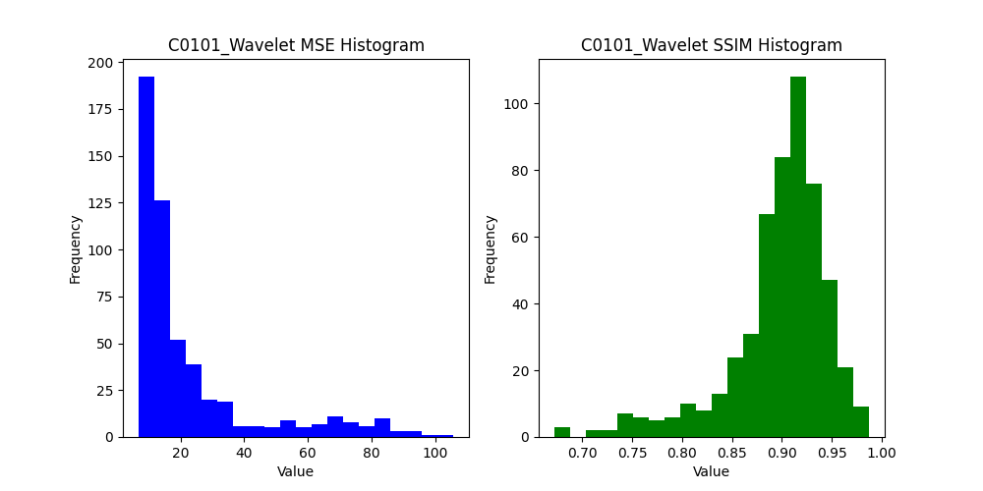
10.199166667 | 0.90741197567 | 10.199166667 | 0.90741197567 | 13.030833333 | 0.88043254203
9.6633333333 | 0.89786411155 | 9.6633333333 | 0.89786411155 | 9.6025 | 0.90110918174
8.3033333333 | 0.92130396481 | 8.3033333333 | 0.92130396481 | 9.1116666667 | 0.92178144161
9.7283333333 | 0.92731939687 | 9.7283333333 | 0.92731939687 | 8.2166666667 | 0.93353281145
13.199206349 | 0.86238281231 | 13.199206349 | 0.86238281231 | 11.188095238 | 0.89295632889
12.233333333 | 0.87235114862 | 12.233333333 | 0.87235114862 | 15.237179487 | 0.84104781199
7.6736111111 | 0.93668316599 | 7.6736111111 | 0.93668316599 | 19.780555556 | 0.79204037991
9.1141666667 | 0.8983301842 | 9.1141666667 | 0.8983301842 | 8.98 | 0.90772298337
9.1416666667 | 0.93496992704 | 9.1416666667 | 0.93496992704 | 11.5675 | 0.92282249593
10.1975 | 0.92187393086 | 10.1975 | 0.92187393086 | 11.195 | 0.91115149719
28.77 | 0.84656133009 | 28.641666667 | 0.84661007621 | 19.739166667 | 0.87934362051
45.636666667 | 0.85973788144 | 45.636666667 | 0.85973788144 | 35.888333333 | 0.87291103267
9.79 | 0.91444654354 | 9.79 | 0.91444654354 | 9.0766666667 | 0.91162673898
7.3441666667 | 0.91877229975 | 7.3441666667 | 0.91877229975 | 7.8875 | 0.91141076494
10.6075 | 0.90100986833 | 10.6075 | 0.90100986833 | 9.4158333333 | 0.9075529955
11.625833333 | 0.93159462701 | 11.6875 | 0.93183554659 | 11.836666667 | 0.93567319048
11.608333333 | 0.91216040948 | 11.608333333 | 0.91216040948 | 11.925 | 0.90257800019
10.5675 | 0.8983128461 | 10.5675 | 0.8983128461 | 10.700833333 | 0.88724767749
9.8841666667 | 0.89411516012 | 9.8841666667 | 0.89411516012 | 11.999166667 | 0.87477751452
17.4375 | 0.89998055475 | 17.4375 | 0.89998055475 | 19.4025 | 0.88473039803
16.274166667 | 0.91066508129 | 16.274166667 | 0.91066508129 | 24.145 | 0.85594187917
12.279166667 | 0.88218382548 | 12.279166667 | 0.88218382548 | 9.8725 | 0.89375686684
11.420833333 | 0.89268456789 | 11.420833333 | 0.89268456789 | 12.213333333 | 0.8848388318
16.095833333 | 0.85214716901 | 16.095833333 | 0.85214716901 | 11.41 | 0.87006100993
27.578333333 | 0.86965782714 | 27.578333333 | 0.86965782714 | 25.748333333 | 0.87417294848
30.089166667 | 0.83983199073 | 30.089166667 | 0.83983199073 | 27.219166667 | 0.83530214116
22.163333333 | 0.89377069042 | 22.163333333 | 0.89377069042 | 17.77 | 0.89482955412
23.55952381 | 0.91457671557 | 23.55952381 | 0.91457671557 | 14.995238095 | 0.9277962609
10.723076923 | 0.90486679881 | 10.723076923 | 0.90486679881 | 17.187179487 | 0.84954478964
8.8152777778 | 0.90434047356 | 8.8152777778 | 0.90434047356 | 20.884722222 | 0.76686790689
7.965 | 0.91931788259 | 7.965 | 0.91931788259 | 8.2775 | 0.92524348333
12.065 | 0.89637750588 | 12.065 | 0.89637750588 | 10.126666667 | 0.89781055809
11.849166667 | 0.91964015558 | 11.848333333 | 0.91964219847 | 10.385833333 | 0.91884701047
...

NB0037
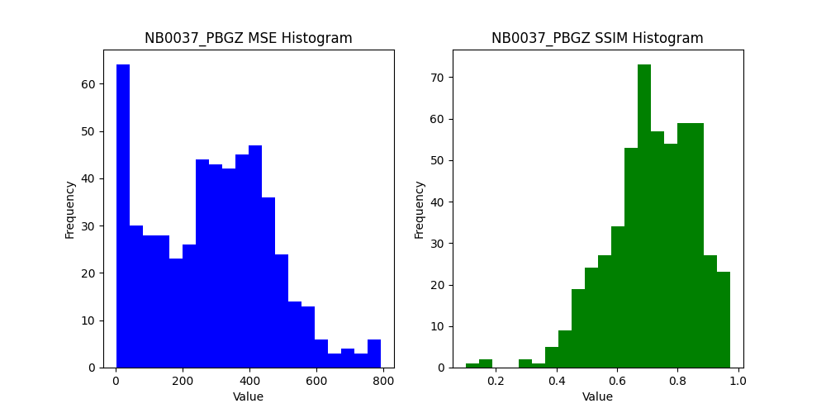
MSE_PBGZ | SSIM_PBGZ | MSE_Places2 | SSIM_Places2 | MSE_Wavelet | SSIM_Wavelet
91.474537037 | 0.62450751954 | 91.949074074 | 0.62409941858 | 85.601851852 | 0.57317923211
231.99166667 | 0.74323677752 | 234.18472222 | 0.74466690442 | 233.71388889 | 0.74928598019
366.64166667 | 0.81137235485 | 365.09444444 | 0.8114562954 | 202.28888889 | 0.8318386646
359.59166667 | 0.68954943781 | 352.89583333 | 0.69034991186 | 118.05 | 0.80319784399
135.58888889 | 0.78456347489 | 135.42361111 | 0.78457099825 | 67.966666667 | 0.66469516582
98.95 | 0.74991263183 | 98.95 | 0.74991263183 | 52.881944444 | 0.70652795341
596.04166667 | 0.85958707047 | 588.89305556 | 0.86129658647 | 268.99166667 | 0.92160779852
202.4625 | 0.75104151422 | 201.12638889 | 0.75116158192 | 136.75138889 | 0.66975119098
291.62083333 | 0.50482911065 | 291.38888889 | 0.51176199816 | 207.48472222 | 0.61801217596
326.64027778 | 0.61053539331 | 322.74444444 | 0.61779830038 | 188.49166667 | 0.70827365438
247.98194444 | 0.72847947959 | 245.14027778 | 0.72898369991 | 143.49305556 | 0.72963780223
288.71944444 | 0.56319367004 | 288.49444444 | 0.55897034973 | 186.425 | 0.68153469803
252.26944444 | 0.81509035682 | 249.57083333 | 0.81744299763 | 129.62916667 | 0.84907348277
202.84444444 | 0.57014577917 | 200.60833333 | 0.57445365244 | 129.83194444 | 0.64621462534
267.6125 | 0.69700942302 | 264.3875 | 0.70908059256 | 192.59722222 | 0.73667620074
303.38194444 | 0.74778029956 | 300.04166667 | 0.75157816176 | 206.73888889 | 0.73999916554
248.575 | 0.48669736712 | 247.61388889 | 0.49766337078 | 191.36805556 | 0.58184632811
309.70972222 | 0.75578447693 | 307.58194444 | 0.75884240256 | 210.36111111 | 0.810672648
303.72916667 | 0.58104932078 | 301.48333333 | 0.59163934466 | 206.78055556 | 0.63971649018
309.51805556 | 0.50793938107 | 307.92083333 | 0.52337062583 | 187.84861111 | 0.65695302086
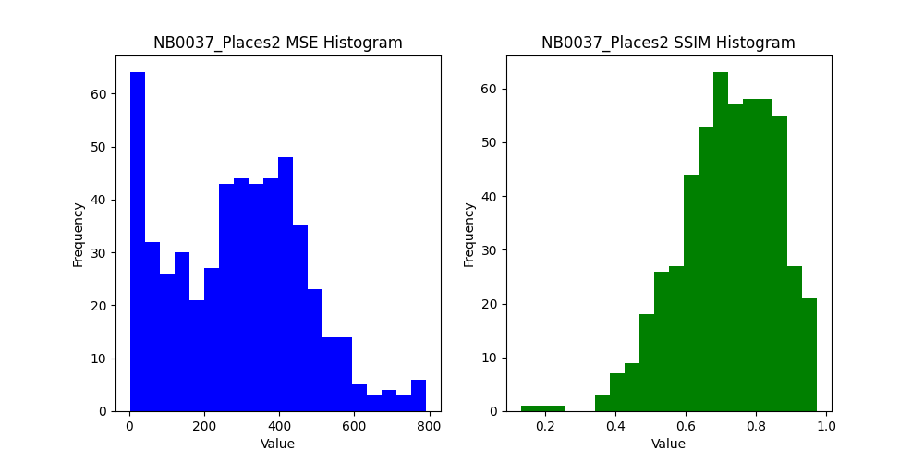
300.2875 | 0.61989514769 | 297.76944444 | 0.62069335676 | 162.53472222 | 0.73397494171
121.87433862 | 0.77772194853 | 122.65343915 | 0.7790824229 | 56.175925926 | 0.86583542891
62.683760684 | 0.59508342333 | 69.042735043 | 0.58895566022 | 52.615384615 | 0.72187515189
144.28333333 | 0.86825102822 | 145.10972222 | 0.8693800851 | 127.71111111 | 0.85937775758
160.885 | 0.66719758383 | 158.09 | 0.66802296678 | 110.5725 | 0.77848323228
153.6425 | 0.79387233163 | 150.86 | 0.79421497868 | 119.07333333 | 0.84123603085
368.36583333 | 0.78816834402 | 366.78083333 | 0.78868045895 | 241.87333333 | 0.76852037224
360.04 | 0.76739750642 | 359.35666667 | 0.76758381177 | 194.45083333 | 0.81908486498
159.28083333 | 0.62471503671 | 159.23916667 | 0.62471639962 | 66.254166667 | 0.75635609344
475.9775 | 0.82000215624 | 474.905 | 0.82036816058 | 260.04666667 | 0.87378080003
241.20083333 | 0.63835776993 | 241.0325 | 0.63836402932 | 72.629166667 | 0.81372894866
267.08916667 | 0.64703249358 | 264.71666667 | 0.6528225154 | 214.62333333 | 0.66946279489
268.91083333 | 0.75359923544 | 267.49083333 | 0.75444619255 | 200.81916667 | 0.75381547131
366.95083333 | 0.70954791441 | 365.03 | 0.70981248779 | 195.77333333 | 0.75503986879
313.01333333 | 0.54864642708 | 310.21083333 | 0.55488719555 | 186.0025 | 0.57548971383
488.62666667 | 0.82719159745 | 483.05416667 | 0.82857087073 | 307.04833333 | 0.84202393287
298.76583333 | 0.64759711506 | 297.31333333 | 0.6497272863 | 203.935 | 0.60551150299
412.91916667 | 0.6759567374 | 409.34 | 0.67934742147 | 191.47 | 0.760275436
412.36083333 | 0.78232595891 | 408.62583333 | 0.78344839193 | 226.1475 | 0.81856523979
270.56083333 | 0.77541024771 | 268.16 | 0.77846829472 | 176.645 | 0.78588142711
387.3 | 0.82664999416 | 380.9125 | 0.83032796835 | 241.10666667 | 0.85630215596
224.3275 | 0.65386373089 | 221.56916667 | 0.66211587087 | 148.25666667 | 0.68029201483
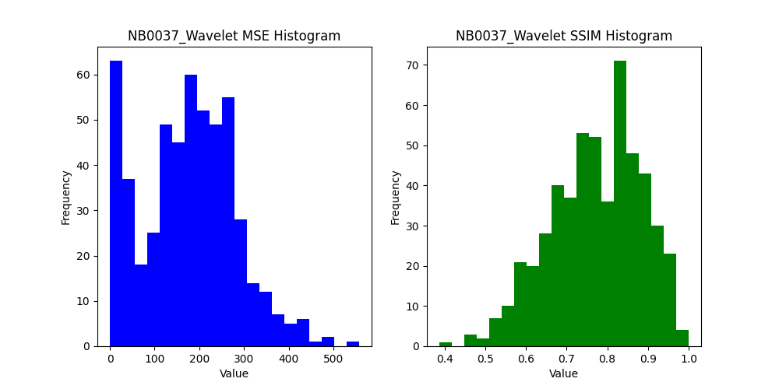
333.80166667 | 0.78378352692 | 332.96666667 | 0.7846774196 | 281.0775 | 0.77802690684
303.15333333 | 0.81289028448 | 302.7225 | 0.81357807059 | 349.9375 | 0.86950855274
106.46349206 | 0.92450982356 | 104.47698413 | 0.92502030385 | 96.664285714 | 0.9173840224
55.75 | 0.74750003784 | 59.117948718 | 0.74464477154 | 52.33974359 | 0.72470625655
192.73055556 | 0.89269167087 | 192.73611111 | 0.89369678974 | 240.32638889 | 0.83706923841
140.53916667 | 0.81663020509 | 137.09583333 | 0.81841851936 | 110.75416667 | 0.86386107599
258.82166667 | 0.69028152188 | 258.82166667 | 0.69028152188 | 62.013333333 | 0.86450500802
324.64833333 | 0.72458863004 | 321.905 | 0.72546883474 | 164.89083333 | 0.82104002086
67.9 | 0.67559937955 | 67.9 | 0.67559937955 | 16.819166667 | 0.88698460449
387.98333333 | 0.89511193883 | 384.395 | 0.89653151735 | 251.34166667 | 0.90028685063
132.96666667 | 0.87393442071 | 131.88916667 | 0.87408245598 | 74.180833333 | 0.90902795232
269.74166667 | 0.84828873441 | 265.96333333 | 0.84858315518 | 130.7125 | 0.89314547105
306.0575 | 0.8181120544 | 303.62166667 | 0.81868416818 | 200.135 | 0.84677680616
136.87416667 | 0.76830990383 | 135.02916667 | 0.77193357524 | 87.99 | 0.80141189503
249.53833333 | 0.81532375347 | 248.91333333 | 0.81550706382 | 131.45666667 | 0.88550931925
205.035 | 0.72516045074 | 204.03666667 | 0.73669665225 | 179.28 | 0.68404718237
247.0175 | 0.89720398226 | 246.28916667 | 0.89721497455 | 159.94583333 | 0.90233386411
216.565 | 0.81238981218 | 214.26833333 | 0.81479382759 | 136.39 | 0.8662443335
277.92166667 | 0.71462555601 | 276.15833333 | 0.72070733095 | 207.2325 | 0.75938370797
272.79 | 0.72139409191 | 270.87666667 | 0.72542637952 | 133.77333333 | 0.83376714763
213.8575 | 0.7326225546 | 212.40333333 | 0.73820330128 | 110.85833333 | 0.76210614742
167.23333333 | 0.64452331129 | 163.58583333 | 0.65615397574 | 108.55416667 | 0.67768213309
190.0475 | 0.78466884739 | 188.8875 | 0.79079920607 | 130.09166667 | 0.81645939499
335.21583333 | 0.73354215612 | 335.10166667 | 0.73377824508 | 202.62083333 | 0.83306508558
112.94583333 | 0.6804450799 | 112.78166667 | 0.68046563215 | 73.64 | 0.79263630345
137.11587302 | 0.82064475285 | 138.47063492 | 0.82083554965 | 122.5515873 | 0.78452221905
54.911538462 | 0.65360544097 | 55.251282051 | 0.65151977038 | 51.388461538 | 0.70743398449
164.87916667 | 0.73416222269 | 167.13333333 | 0.73328342298 | 111.73888889 | 0.76290753991
129.62583333 | 0.88844890904 | 127.34833333 | 0.88928271101 | 168.76666667 | 0.87876653809
442.18583333 | 0.80490809134 | 438.62416667 | 0.80682558868 | 302.71666667 | 0.8675607311
83.925 | 0.7047156425 | 83.925 | 0.7047156425 | 27.743333333 | 0.84584541448
429.725 | 0.72464346687 | 428.13166667 | 0.72551177432 | 202.42416667 | 0.84995936997
363.39083333 | 0.61374701487 | 361.45916667 | 0.61397566982 | 124.87833333 | 0.75243397701
...

NB0039
 | SSIM_PBGZ | MSE_Places2 | SSIM_Places2 | MSE_Wavelet | SSIM_Wavelet
 | 0.67406694775 | 124.03009259 | 0.68786060626 | 90.277777778 | 0.74448477528
 | 0.7623012143 | 35.858333333 | 0.75471662074 | 20.680555556 | 0.83415122902
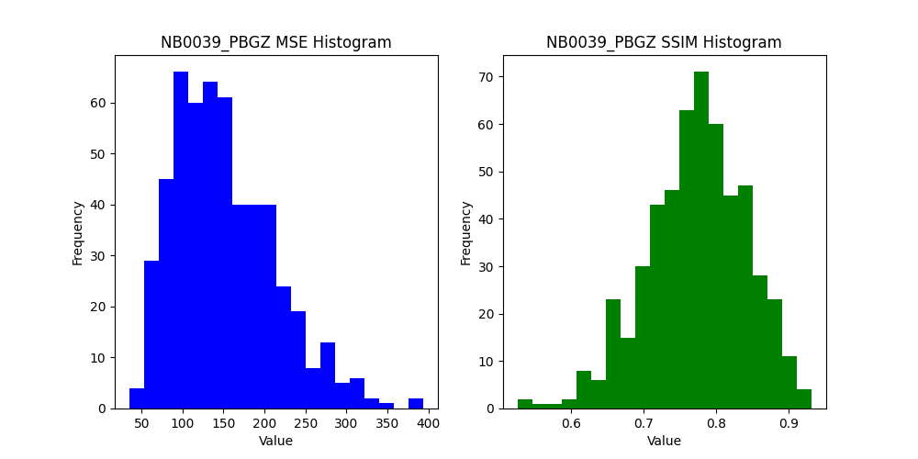
 | 0.89190117962 | 88.119444444 | 0.9024856723 | 77.876388889 | 0.8875705644
 | 0.79688923657 | 178.62361111 | 0.81531646708 | 94.4125 | 0.89442478244
 | 0.83683326921 | 123.79027778 | 0.85739397796 | 86.034722222 | 0.91803198607
 | 0.81850664444 | 110.95138889 | 0.83173506135 | 85.388888889 | 0.78523587351
 | 0.77093306761 | 164.44027778 | 0.82180016217 | 105.875 | 0.85267903175
 | 0.65457547699 | 108.10694444 | 0.67706065346 | 82.286111111 | 0.80510561192
 | 0.7586109093 | 127.52361111 | 0.75861313543 | 66.458333333 | 0.71696995212
 | 0.72514905752 | 154.1 | 0.73104812691 | 75.379166667 | 0.81370323511
 | 0.52548855118 | 229.46805556 | 0.56904892229 | 97.195833333 | 0.55052268062
 | 0.64316590744 | 122.825 | 0.61682668954 | 80.629166667 | 0.66849526152
75.754166667 | 0.52561810152 | 75.956944444 | 0.52491263758 | 76.272222222 | 0.58747932199
131.55694444 | 0.77992028616 | 129.4875 | 0.80365004439 | 71.626388889 | 0.89220679976
183.10833333 | 0.79072477098 | 181.82638889 | 0.79159701558 | 124.91388889 | 0.79388795505
142 | 0.75367122737 | 141.85694444 | 0.76219939855 | 66.694444444 | 0.81970432487
181.64166667 | 0.77365136348 | 179.34861111 | 0.80497973123 | 95.870833333 | 0.89792764949
200.18888889 | 0.83906774403 | 199.98472222 | 0.84044579451 | 179.275 | 0.84992403877
83.070833333 | 0.71578995052 | 83.609722222 | 0.7183502788 | 66.318055556 | 0.7743365681
142.68333333 | 0.72288068842 | 142.08611111 | 0.72451944033 | 91.129166667 | 0.81110936367
114.46111111 | 0.78012624254 | 114.41805556 | 0.80492442145 | 83.011111111 | 0.82511900955
106.50793651 | 0.70588603385 | 106.18783069 | 0.71254772473 | 62.802910053 | 0.77017086565
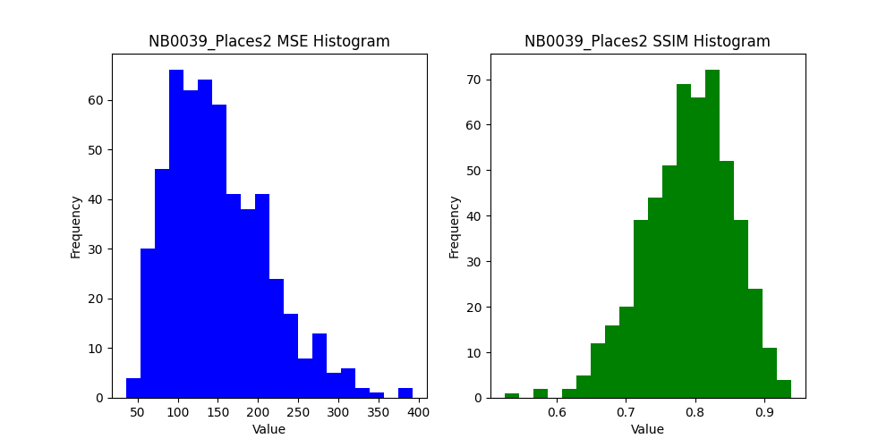
202.60470085 | 0.67571216928 | 202.57264957 | 0.69450946807 | 140.85042735 | 0.68004659254
190.03611111 | 0.90092670122 | 189.62777778 | 0.90102008655 | 90.383333333 | 0.92617745105
80.034166667 | 0.76687441287 | 75.469166667 | 0.78554119419 | 46.125 | 0.86843904608
156.3875 | 0.86167817673 | 152.53416667 | 0.86438573541 | 112.9275 | 0.8813933687
81.136666667 | 0.68376163063 | 79.5725 | 0.74398235487 | 63.233333333 | 0.86490605093
258.70166667 | 0.77011022861 | 256.24916667 | 0.78637010497 | 132.68333333 | 0.89410021838
164.16833333 | 0.80772556133 | 163.0425 | 0.83256761631 | 129.50166667 | 0.83425171322
230.27416667 | 0.7672250737 | 229.08666667 | 0.77245016333 | 160.15 | 0.82006591131
205.145 | 0.71836707881 | 204.20416667 | 0.72737870101 | 118.19583333 | 0.81467782848
115.41 | 0.82714931481 | 114.85666667 | 0.83010235517 | 100.0825 | 0.82730808329
146.30166667 | 0.72176985717 | 143.76166667 | 0.73063001278 | 103.52083333 | 0.79495761347
148.875 | 0.74339216969 | 142.09916667 | 0.76081894954 | 98.153333333 | 0.8569062676
133.28833333 | 0.76422615651 | 131.80083333 | 0.78202020529 | 102.79833333 | 0.78780947262
131.25583333 | 0.76382517048 | 130.44 | 0.76393904882 | 80.8075 | 0.78234998625
195.81166667 | 0.82034098503 | 192.98 | 0.84338377328 | 111.89083333 | 0.89084885995
155.7075 | 0.81318356711 | 154.015 | 0.8383815768 | 115.66666667 | 0.89302794814
297.4025 | 0.82050451581 | 296.4425 | 0.84033758664 | 176.15 | 0.87351954814
140.3975 | 0.83985413714 | 139.80333333 | 0.86246982687 | 95.561666667 | 0.87640924886
107.7775 | 0.76620715208 | 107.045 | 0.76651024187 | 48.7875 | 0.81436490029
68 | 0.65112957081 | 67.191666667 | 0.71538952111 | 49.5125 | 0.80000264105
139.17333333 | 0.68121590803 | 138.0725 | 0.6826952561 | 80.816666667 | 0.70794475835
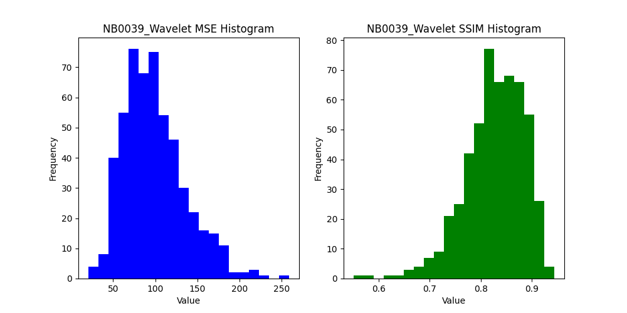
208.78666667 | 0.71665937511 | 207.58083333 | 0.75458141133 | 109.7125 | 0.8452433864
114.72301587 | 0.60355419189 | 113.1968254 | 0.66202898645 | 69.56031746 | 0.76951741868
177.80769231 | 0.73181231729 | 179.46025641 | 0.73457308886 | 135.00769231 | 0.79684517359
89.852777778 | 0.74382000593 | 88.9625 | 0.78907125981 | 70.530555556 | 0.79401522214
82.240833333 | 0.68286603006 | 78.9475 | 0.70282314918 | 58.459166667 | 0.77256271668
186.68333333 | 0.70295892599 | 187.57666667 | 0.70161022305 | 85.12 | 0.76966258175
103.65333333 | 0.72995557126 | 104.30416667 | 0.72833257659 | 59.456666667 | 0.73678026525
176.3425 | 0.80851426116 | 174.71666667 | 0.82125749647 | 127.34083333 | 0.88594744847
230.5725 | 0.85617581422 | 229.9175 | 0.85785644988 | 123.11833333 | 0.89933454575
276.23583333 | 0.73936859761 | 275.27666667 | 0.74102319669 | 183.81083333 | 0.82835037226
146.0225 | 0.73074674562 | 144.78416667 | 0.75142961234 | 113.56333333 | 0.79748405787
 | 0.82531725254 | 135.79 | 0.85825791179 | 111.85916667 | 0.87351837431
 | 0.67671744421 | 94.961666667 | 0.71335572673 | 70.090833333 | 0.80716819029
 | 0.73153749415 | 116.69166667 | 0.73600632806 | 84.390833333 | 0.75419163107
 | 0.73379811434 | 85.935 | 0.74562244693 | 59.5875 | 0.7643226042
 | 0.7171467098 | 84.975 | 0.74543769498 | 62.86 | 0.78411092049
 | 0.78933421503 | 84.395 | 0.84295084207 | 54.000833333 | 0.90544734328
 | 0.77698839719 | 157.75916667 | 0.7774350668 | 110.33166667 | 0.83010506822
 | 0.82076447678 | 130.07416667 | 0.83980969591 | 109.865 | 0.84350716481
 | 0.77553535478 | 66.883333333 | 0.78488252742 | 62.4525 | 0.75475145069
 | 0.85167985532 | 65.16 | 0.8522145 | 48.093333333 | 0.88125776645
 | 0.62775608948 | 108.9875 | 0.68937522348 | 71.053333333 | 0.81261555745
 | 0.88213727265 | 165.5675 | 0.8971576478 | 170.29583333 | 0.88414290413
 | 0.76802345195 | 212.03583333 | 0.76880714272 | 106.2475 | 0.77368573572
 | 0.83896964035 | 307.58650794 | 0.84063960172 | 177.98015873 | 0.88479416478
 | 0.83264888284 | 155.46153846 | 0.83357876019 | 90.376923077 | 0.88674108396
 | 0.62455959165 | 69.163888889 | 0.69243635511 | 62.016666667 | 0.81191200209
 | 0.67692234862 | 52.365 | 0.71783914552 | 22.559166667 | 0.74063165445
 | 0.73031054769 | 103.60166667 | 0.75396285409 | 87.551666667 | 0.80517365639
 | 0.76475856004 | 76.5875 | 0.77600329666 | 66.845 | 0.7722242208
 | 0.76494589775 | 206.62583333 | 0.77686400581 | 128.54416667 | 0.84147858454
 | 0.86489061937 | 267.50333333 | 0.86645432232 | 204.3 | 0.87395889001
...

NB0052
SSIM_PBGZ | MSE_Places2 | SSIM_Places2 | MSE_Wavelet | SSIM_Wavelet
0.47446606847 | 936.68518519 | 0.47582055286 | 466.20833333 | 0.69583097241
0.58398439642 | 370.26527778 | 0.58811160427 | 299.18055556 | 0.68046666332
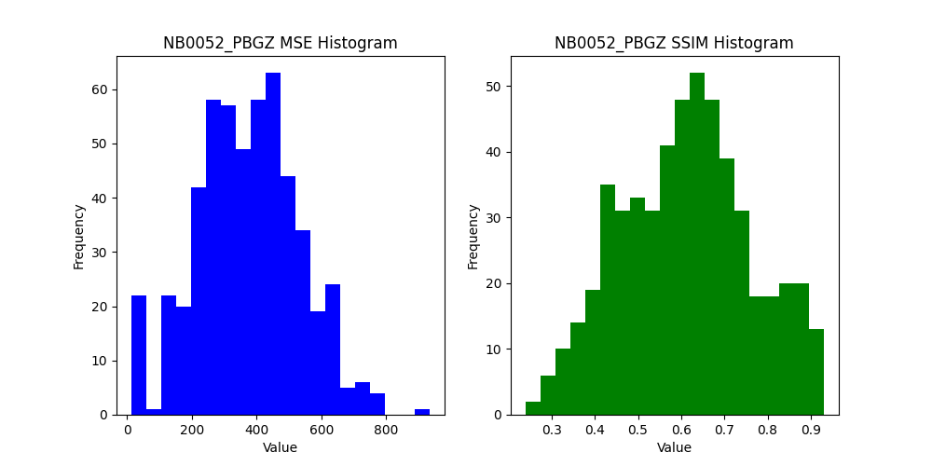
0.38849010561 | 219.65833333 | 0.38787345989 | 208.9375 | 0.32005952098
0.3524425998 | 692.12777778 | 0.35246265317 | 355.15555556 | 0.6825360993
0.56106641625 | 536.16805556 | 0.56169705826 | 395.36805556 | 0.64228718988
0.45418510768 | 329.90694444 | 0.45637086189 | 255.80416667 | 0.64398124657
0.58955206735 | 311.95 | 0.6004789904 | 254.98472222 | 0.64221428334
0.65002397039 | 551.12777778 | 0.65138184193 | 440.10555556 | 0.70218038567
0.57410414153 | 592.16944444 | 0.57545233215 | 440.19722222 | 0.68244112974
0.58853438998 | 632.89305556 | 0.58948904275 | 452.71388889 | 0.66859567162
0.53860494726 | 780.65694444 | 0.53953825886 | 520.50138889 | 0.74118731915
0.43321037258 | 632.79305556 | 0.43338769819 | 543.57083333 | 0.49861770682
0.6847648605 | 761.51388889 | 0.68497931146 | 521.20833333 | 0.77313610542
0.35475173143 | 674.43055556 | 0.35568812661 | 440.28888889 | 0.57992253383
0.59230597331 | 541.22222222 | 0.59438502116 | 425.43055556 | 0.71411752749
0.79315868342 | 468.84583333 | 0.79510372339 | 341.51805556 | 0.86297037154
0.69686432255 | 408.94444444 | 0.69834364332 | 301.28333333 | 0.72081857081
0.62513677957 | 524.34027778 | 0.62683081193 | 368.76111111 | 0.70200895137
0.34797169182 | 732.81388889 | 0.34801470261 | 478.65555556 | 0.65586173753
0.44883144904 | 484.01111111 | 0.45120688489 | 428.25416667 | 0.54951797051
0.48652846996 | 439.79583333 | 0.48910590344 | 317.45277778 | 0.56092241295
0.42129537748 | 392.02777778 | 0.42117026973 | 319.07142857 | 0.46908007911
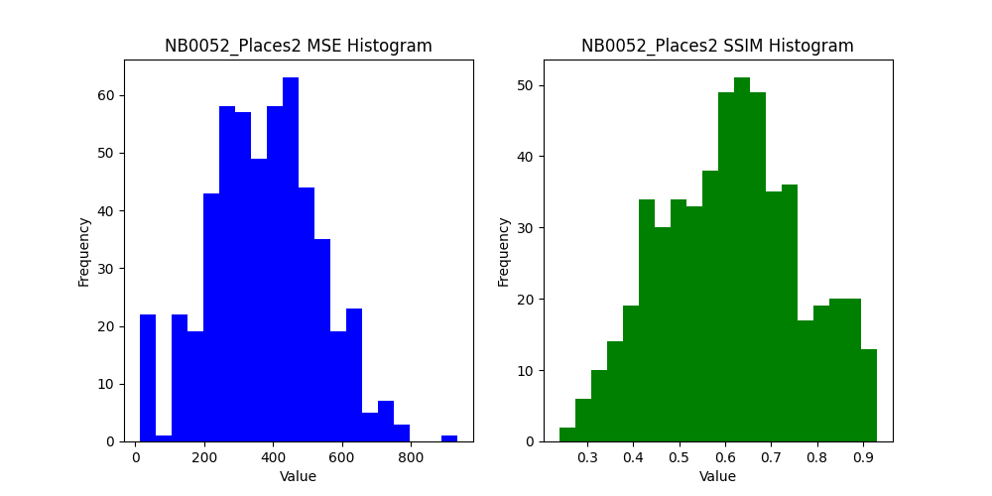
0.31990200972 | 479.60897436 | 0.31969930699 | 380.28846154 | 0.41632178846
0.53609635924 | 742.28472222 | 0.53661528825 | 565.55138889 | 0.68756661659
0.64241346261 | 739.76916667 | 0.64327298014 | 531.6475 | 0.69423838533
0.54322881042 | 739.90583333 | 0.54391341226 | 398.415 | 0.62207978638
0.49055864392 | 566.8575 | 0.49004948431 | 328.49333333 | 0.61506964052
0.61309326351 | 439.715 | 0.61407694265 | 332.65916667 | 0.6923966552
0.83174526123 | 331.88083333 | 0.83354344261 | 346.755 | 0.76828826106
0.62547850384 | 323.97916667 | 0.6281391012 | 240.83916667 | 0.66156436535
0.76279848902 | 321.6375 | 0.76531516474 | 269.8475 | 0.77644553373
0.64123300102 | 476.59333333 | 0.64378593515 | 349.85833333 | 0.74728583924
0.56341066053 | 489.15333333 | 0.56393845896 | 375.3075 | 0.60778982802
0.51421374776 | 582.2575 | 0.51638679182 | 370.06083333 | 0.64619282432
0.67547486801 | 644.6675 | 0.67614001633 | 476.9275 | 0.68930686006
0.61873376024 | 652.67916667 | 0.6186838828 | 457.465 | 0.71476292461
0.54830761894 | 580.3575 | 0.54874657565 | 373.20583333 | 0.69748288899
0.68906605424 | 384.96833333 | 0.69051465676 | 298.09416667 | 0.73409300086
0.7428501047 | 383.31833333 | 0.74461897963 | 245.4975 | 0.78815447369
0.83537151051 | 345.035 | 0.8375510636 | 286.99166667 | 0.82094216764
0.61152980083 | 361.79416667 | 0.61360974845 | 292.46916667 | 0.59194296433
0.50221403132 | 346.15083333 | 0.50102967399 | 217.38333333 | 0.62196566642
0.4253239372 | 207.57916667 | 0.42537032913 | 184.77083333 | 0.39880177112
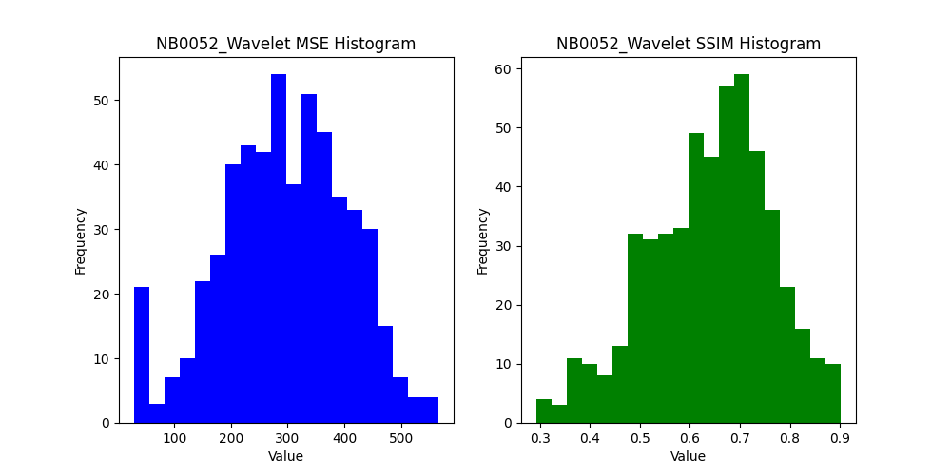
0.32146148891 | 395.665 | 0.3220238276 | 312.03583333 | 0.41833697633
0.36621919526 | 312.91666667 | 0.36652202125 | 296.49047619 | 0.3125533327
0.38434067773 | 237.11794872 | 0.38565410865 | 227.88333333 | 0.43133454892
0.58469154131 | 613.41388889 | 0.5857342243 | 484.19027778 | 0.69985525771
0.58155155713 | 751.69916667 | 0.58168842527 | 554.10666667 | 0.64192016864
0.60436548075 | 770.83583333 | 0.60558900972 | 510.30166667 | 0.70919798202
0.41096387246 | 467.53666667 | 0.4116232903 | 338.29333333 | 0.47264255989
0.41443859713 | 255.98 | 0.41547031968 | 221.17333333 | 0.50942637097
0.60499274038 | 324.27416667 | 0.60576197095 | 250.1125 | 0.66261707751
0.71147440978 | 307.66416667 | 0.7136701726 | 288.30583333 | 0.65884232203
0.80472497498 | 310.655 | 0.80541769479 | 271.635 | 0.79547149618
0.69591630831 | 463.7775 | 0.69763107416 | 364.06666667 | 0.73570663482
0.51022795021 | 416.13083333 | 0.51067384663 | 342.00083333 | 0.61405435907
0.4806828772 | 658.575 | 0.48110665413 | 488.65333333 | 0.57366938765
0.50313436096 | 665.86083333 | 0.50340631678 | 498.19916667 | 0.50764153463
0.62417172326 | 493.24833333 | 0.62492513096 | 402.70416667 | 0.62783798341
0.52756301406 | 547.645 | 0.52758393118 | 473.135 | 0.59381359903
0.51788966314 | 395.725 | 0.51873993854 | 299.47666667 | 0.60884938438
0.71715497654 | 333.45416667 | 0.71814317274 | 282.90916667 | 0.72554042787
0.79150129522 | 346.20083333 | 0.79301964035 | 292.86083333 | 0.77473205036
0.80804999304 | 362.51 | 0.80906644669 | 281.17583333 | 0.81527133062
0.55490888701 | 178.67333333 | 0.55585845475 | 150.025 | 0.58539090717
0.70192953432 | 137.55833333 | 0.70192953432 | 114.83583333 | 0.67249004342
0.40084989723 | 370.9475 | 0.40089295312 | 356.91 | 0.36046989445
0.285412259 | 255.22777778 | 0.28535339618 | 219.74206349 | 0.35507243739
0.3042989176 | 351.17435897 | 0.3043187944 | 313.19102564 | 0.34239881887
0.56312961539 | 394.00277778 | 0.56371581913 | 286.98194444 | 0.65290929492
0.61229596398 | 613.80833333 | 0.61314397347 | 497.52833333 | 0.61999028045
0.42769607367 | 646.7825 | 0.4277496268 | 482.65916667 | 0.59490076962
0.43003938222 | 430.47333333 | 0.43195334518 | 305.54833333 | 0.47765739946
0.35454758797 | 199.39583333 | 0.35493531913 | 173.7425 | 0.36598158057
...

NB0086
 | MSE_Places2 | SSIM_Places2 | MSE_Wavelet | SSIM_Wavelet
 | 58.472222222 | 0.86352832616 | 24.912037037 | 0.8786286977
 | 52.766666667 | 0.80349631072 | 29.665277778 | 0.87106426525
 | 33.402777778 | 0.96041963971 | 16.701388889 | 0.95837132652
 | 49.520833333 | 0.873985347 | 34.283333333 | 0.89691349945
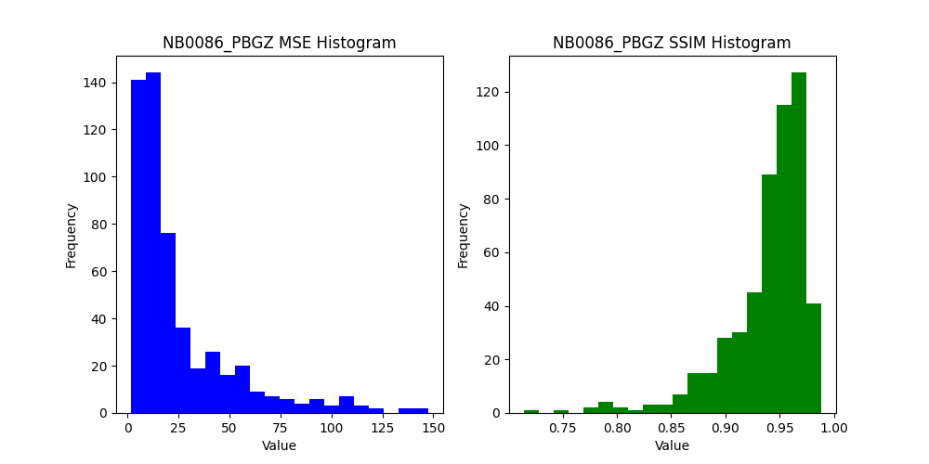
 | 78.9125 | 0.89507302873 | 49.2 | 0.91712587556
 | 85.148611111 | 0.75092179176 | 43.397222222 | 0.85795290499
 | 41.815277778 | 0.92475775459 | 30.195833333 | 0.91623479446
 | 18.5375 | 0.96091942402 | 16.2 | 0.92931209517
 | 26.759722222 | 0.94442026635 | 22.605555556 | 0.93061487606
 | 16.679166667 | 0.95844251133 | 16.716666667 | 0.93455597495
 | 11.175 | 0.92814543763 | 10.409722222 | 0.92072917668
 | 14.181944444 | 0.94199108066 | 7.9125 | 0.93994457229
 | 11.679166667 | 0.92850757576 | 10.418055556 | 0.89850947714
0.93557525811 | 21.029166667 | 0.93547839586 | 16.472222222 | 0.91925311771
0.95845005546 | 15.216666667 | 0.95849457894 | 15.655555556 | 0.92475352884
0.89277118228 | 20.119444444 | 0.91268107497 | 15.822222222 | 0.92634847388
0.86414175643 | 21.072222222 | 0.85958305652 | 15.691666667 | 0.8861488371
0.96948015699 | 37.001388889 | 0.96986072738 | 37.041666667 | 0.96962576032
0.92999892408 | 29.227777778 | 0.93615479529 | 19.573611111 | 0.95137664725
0.93327014838 | 28.240277778 | 0.93430060063 | 27.001388889 | 0.91939894776
0.96509234731 | 19.2125 | 0.96454348062 | 16.998611111 | 0.96329886085
0.92571526667 | 28.821428571 | 0.92603450494 | 18.186507937 | 0.94084287386
0.90163012107 | 37.136752137 | 0.89995373607 | 21.051282051 | 0.90829311501

0.94763776536 | 41.644444444 | 0.95014440039 | 29.830555556 | 0.95088868393
0.92494856664 | 34.099166667 | 0.92797301451 | 29.9975 | 0.92414135794
0.96276660387 | 19.21 | 0.96271755931 | 17.9925 | 0.94571833744
0.88045734171 | 55.9325 | 0.88212111604 | 38.535833333 | 0.88486017407
0.8458907007 | 84.613333333 | 0.84858385501 | 55.058333333 | 0.87738528011
0.90942437039 | 63.373333333 | 0.91212719611 | 36.211666667 | 0.92888129524
0.94020762758 | 24.446666667 | 0.94007788196 | 14.923333333 | 0.95074763554
0.98103424031 | 9.64 | 0.98105564395 | 5.495 | 0.98273937321
0.91303451112 | 12.578333333 | 0.91091536478 | 9.4408333333 | 0.93430889454
0.96119920202 | 5.8483333333 | 0.96192594802 | 6.4 | 0.95433146965
0.97217482353 | 9.6808333333 | 0.97230000468 | 7.515 | 0.97402668829
0.96673947448 | 6.6933333333 | 0.96653045985 | 6.8283333333 | 0.96220331588
0.9487640561 | 8.7508333333 | 0.94968721014 | 6.205 | 0.9500727539
0.95165424799 | 12.468333333 | 0.9515154837 | 8.6741666667 | 0.95457015721
0.96370527016 | 7.7316666667 | 0.95663962471 | 10.2275 | 0.94563436768
0.89887544666 | 12.249166667 | 0.93496600096 | 12.174166667 | 0.90898682704
0.9235248918 | 7.3908333333 | 0.9474751111 | 3.5458333333 | 0.9771231174
0.86252425484 | 9.0616666667 | 0.89069484888 | 5.8191666667 | 0.93918401834
0.91148998344 | 9.4258333333 | 0.95076067311 | 5.995 | 0.96439075065
0.90776096247 | 12.494166667 | 0.94175649921 | 8.1675 | 0.95175532455
0.89324576214 | 13.258333333 | 0.92713504764 | 12.673333333 | 0.90022763872
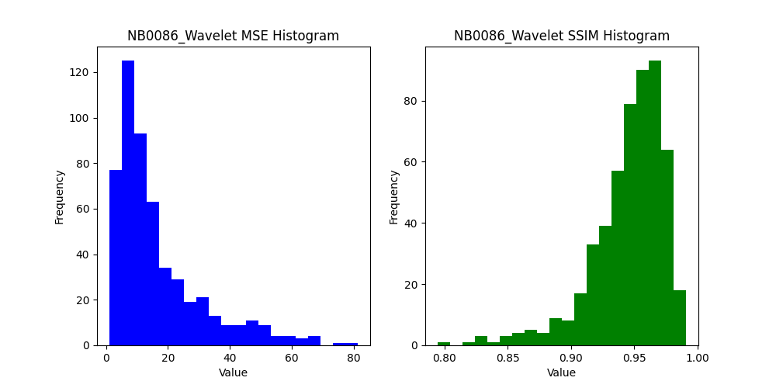
0.94271257546 | 19.092063492 | 0.94275552029 | 17.327777778 | 0.92996572995
0.96104325843 | 6.5243589744 | 0.96104325843 | 15.638461538 | 0.84495600648
0.85716194693 | 32.105555556 | 0.87649976129 | 21.7875 | 0.90448836049
0.87157646811 | 16.0575 | 0.91413425699 | 12.545833333 | 0.90278005072
0.95717332792 | 18.824166667 | 0.95742685763 | 22.038333333 | 0.92024418802
0.876047842 | 40.265833333 | 0.87600837804 | 29.065833333 | 0.90465833164
0.82969699147 | 57.7625 | 0.83279878022 | 36.658333333 | 0.88316695502
0.94470372458 | 53.109166667 | 0.94517076168 | 44.035 | 0.93475293426
0.86775414821 | 21.159166667 | 0.89093959706 | 14.585833333 | 0.92546968844
0.94526939458 | 18.608333333 | 0.94484842095 | 14.9025 | 0.94393948145
0.93997961217 | 12.683333333 | 0.95122943744 | 5.5991666667 | 0.96588573228
 | 8.2325 | 0.96019166554 | 7.2691666667 | 0.95465116653
 | 6.5233333333 | 0.970776582 | 7.2708333333 | 0.9715107402
 | 7.6258333333 | 0.9640875665 | 7.3983333333 | 0.9542505342
 | 6.8925 | 0.94871816327 | 4.3708333333 | 0.95141412576
 | 16.288333333 | 0.94190406205 | 15.504166667 | 0.93625955406
 | 10.428333333 | 0.93987125886 | 10.166666667 | 0.94138998823
 | 6.37 | 0.95511602749 | 4.0466666667 | 0.96200429418
 | 4.8075 | 0.97365636065 | 5.0308333333 | 0.94436055472
 | 3.2816666667 | 0.97860853757 | 3.2741666667 | 0.97722516926
 | 5.1641666667 | 0.96518010456 | 8.83 | 0.93975001529
 | 8.1575 | 0.96494716974 | 4.895 | 0.95593018818
 | 6.9808333333 | 0.93987492366 | 4.175 | 0.94575532018
 | 18.876984127 | 0.96683753975 | 15 | 0.95196503045
 | 12.323076923 | 0.9681550138 | 13.265384615 | 0.95098801888
 | 25.077777778 | 0.7894131639 | 17.866666667 | 0.83239687289
 | 15.193333333 | 0.88960355318 | 12.3325 | 0.91440256337
 | 21.355 | 0.95791839191 | 21.739166667 | 0.94733584236
 | 33.2775 | 0.88014741213 | 25.628333333 | 0.89199926951
 | 17.650833333 | 0.85052205801 | 9.1358333333 | 0.93939192684
 | 39.945 | 0.9144829558 | 29.100833333 | 0.9248040414
...

NB0103
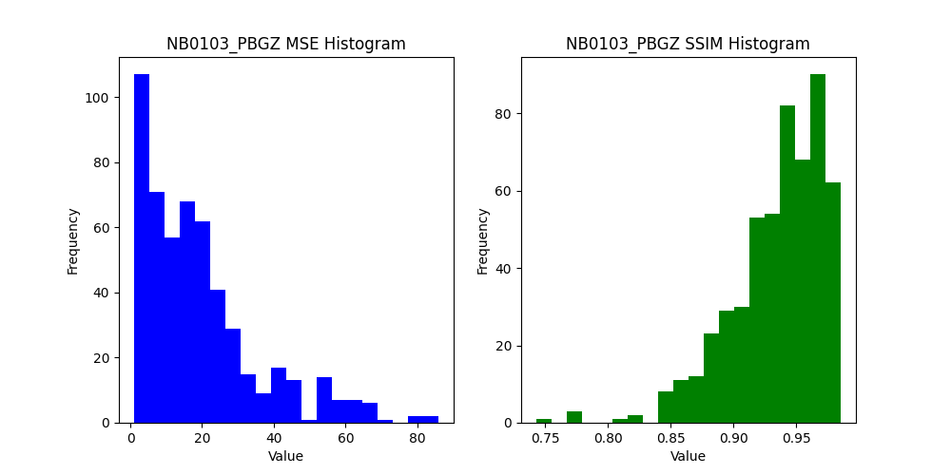
MSE_PBGZ | SSIM_PBGZ | MSE_Places2 | SSIM_Places2 | MSE_Wavelet | SSIM_Wavelet
20.222222222 | 0.82527643513 | 22.527777778 | 0.82630730624 | 11.729166667 | 0.87126905545
10.859722222 | 0.90370740814 | 12.276388889 | 0.89721480584 | 10.018055556 | 0.89928972524
16.961111111 | 0.82732057192 | 17.851388889 | 0.82574628291 | 16.431944444 | 0.81498854632
18.273611111 | 0.84760559357 | 19.215277778 | 0.84766545423 | 19.251388889 | 0.86995142648
14.688888889 | 0.91766909052 | 16.022222222 | 0.91525233244 | 14.838888889 | 0.92298380934
27.984722222 | 0.91917486206 | 29.083333333 | 0.91846277824 | 27.520833333 | 0.91294358785
39.286111111 | 0.97277049784 | 38.840277778 | 0.97280500834 | 26.716666667 | 0.9672854135
16.675 | 0.89985428776 | 16.675 | 0.89985428776 | 14.679166667 | 0.87305048929
4.5722222222 | 0.95314630448 | 4.5722222222 | 0.95314630448 | 13.516666667 | 0.85287496187
5.5805555556 | 0.96316128757 | 5.5805555556 | 0.96316128757 | 13.225 | 0.8689387912
3.8 | 0.97412515125 | 3.8 | 0.97412515125 | 13.122222222 | 0.86853163822
4.0208333333 | 0.96350465646 | 4.0208333333 | 0.96350465646 | 12.998611111 | 0.85180222878
4.4333333333 | 0.96720318979 | 4.4333333333 | 0.96720318979 | 10.718055556 | 0.87627110432
4.2680555556 | 0.96459896306 | 4.2680555556 | 0.96459896306 | 11.656944444 | 0.88209886753
4.6125 | 0.9647773693 | 4.6125 | 0.9647773693 | 11.083333333 | 0.89976229408
4.6361111111 | 0.9662667059 | 4.6361111111 | 0.9662667059 | 13.102777778 | 0.88571281166
4.1444444444 | 0.97078198978 | 4.1444444444 | 0.97078198978 | 13.261111111 | 0.8754094328
5.6291666667 | 0.96129297689 | 5.6291666667 | 0.96129297689 | 12.909722222 | 0.86904090943
5.0208333333 | 0.95106080094 | 5.0208333333 | 0.95106080094 | 13.493055556 | 0.85425709883
3.8347222222 | 0.96581136486 | 3.8347222222 | 0.96581136486 | 12.886111111 | 0.85635172197
4.2319444444 | 0.96112576052 | 4.2319444444 | 0.96112576052 | 13.497222222 | 0.84867070507
5.003968254 | 0.9612083434 | 5.003968254 | 0.9612083434 | 12.939153439 | 0.85238763277
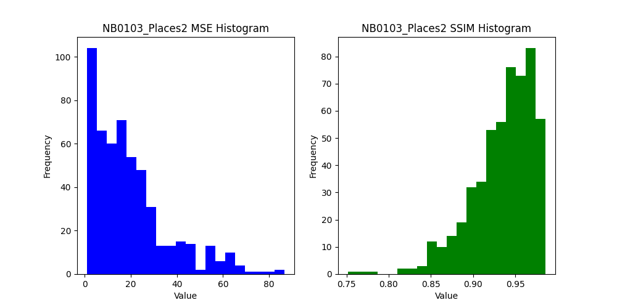
18.722222222 | 0.89526442546 | 18.993589744 | 0.89492200581 | 14.395299145 | 0.86194201128
9.2305555556 | 0.88879465221 | 10.338888889 | 0.87726252807 | 7.1097222222 | 0.91877188693
9.2533333333 | 0.91004577666 | 10.029166667 | 0.90135266412 | 6.9391666667 | 0.91904144057
17.175 | 0.85342966452 | 17.875833333 | 0.85272726668 | 12.736666667 | 0.85879329324
23.281666667 | 0.90980011216 | 24.201666667 | 0.90867043273 | 21.208333333 | 0.88028710348
29.3 | 0.94786812017 | 29.9675 | 0.94776786971 | 32.355833333 | 0.95114763506
12.046666667 | 0.95379620397 | 11.8625 | 0.95382305941 | 8.3183333333 | 0.94788637965
7.6516666667 | 0.94219556573 | 7.6516666667 | 0.94219556573 | 2.7225 | 0.97411051393
3.7075 | 0.96115063874 | 3.7075 | 0.96115063874 | 2.2458333333 | 0.97473465735
2.5925 | 0.97738891139 | 2.615 | 0.97737592535 | 3.1641666667 | 0.97647093152
5.165 | 0.95190889912 | 5.2541666667 | 0.95183291808 | 3.3808333333 | 0.97470435002
2.57 | 0.97589171171 | 2.5725 | 0.97588977827 | 2.4008333333 | 0.97849401396
3.4075 | 0.95756862748 | 3.4075 | 0.95756862748 | 1.7583333333 | 0.98371261522
2.6533333333 | 0.96529199897 | 2.6533333333 | 0.96529199897 | 1.2866666667 | 0.98531175545
2.055 | 0.97206264726 | 2.055 | 0.97206264726 | 1.88 | 0.98312549759
2.8566666667 | 0.96178797549 | 2.8566666667 | 0.96178797549 | 1.34 | 0.98525260207
2.655 | 0.96614469877 | 2.655 | 0.96614469877 | 0.9125 | 0.98793902469
1.9916666667 | 0.97071431391 | 1.9916666667 | 0.97071431391 | 1.5216666667 | 0.98827586144
2.1925 | 0.97440366996 | 2.1925 | 0.97440366996 | 1.1025 | 0.98823530669
2.6583333333 | 0.96013483414 | 2.6583333333 | 0.96013483414 | 1.7225 | 0.98042176478
2.4008333333 | 0.96874951683 | 2.4008333333 | 0.96874951683 | 1.61 | 0.98158484063
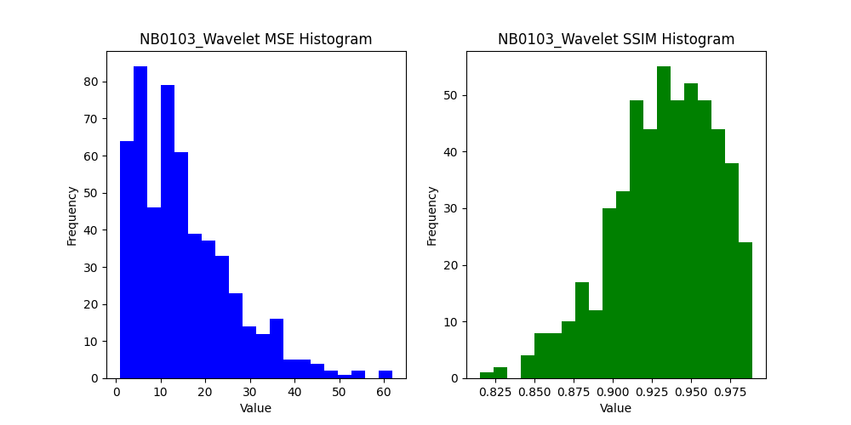
2.6783333333 | 0.96139653526 | 2.6783333333 | 0.96139653526 | 1.1008333333 | 0.98623781124
2.8880952381 | 0.96678171799 | 2.8880952381 | 0.96678171799 | 1.5380952381 | 0.98354923249
4.9051282051 | 0.95653781633 | 4.9051282051 | 0.95653781633 | 3.9487179487 | 0.95092960559
8.2138888889 | 0.89730008815 | 9.6319444444 | 0.89764608235 | 7.3347222222 | 0.91287651989
45.519166667 | 0.74294401673 | 45.710833333 | 0.75161911797 | 15.943333333 | 0.89512332446
20.929166667 | 0.94785105527 | 21.6175 | 0.9470568929 | 32.328333333 | 0.89633181176
14.331666667 | 0.9515033226 | 14.2525 | 0.95159302754 | 23.7775 | 0.93879932809
8.2125 | 0.94577094167 | 8.3783333333 | 0.94554578708 | 4.595 | 0.96308130546
3.4241666667 | 0.97466561571 | 3.4491666667 | 0.97465357969 | 3.0033333333 | 0.97386840848
2.8566666667 | 0.98305578097 | 2.8791666667 | 0.98304009752 | 3.3608333333 | 0.97575598178
2.3741666667 | 0.97441489003 | 2.4983333333 | 0.97353141404 | 2.5491666667 | 0.97483906251
 | 0.97447830431 | 2.8166666667 | 0.97440115361 | 3.3833333333 | 0.97636414268
 | 0.95785999694 | 4.925 | 0.95777863817 | 4.07 | 0.95887744148
 | 0.97055844869 | 3.5258333333 | 0.96976971298 | 3.0716666667 | 0.98010687105
 | 0.98011670153 | 2.7025 | 0.98022373564 | 3.0683333333 | 0.97995697475
 | 0.97985535478 | 2.8033333333 | 0.97924791301 | 2.0541666667 | 0.98039593161
 | 0.97773365049 | 2.135 | 0.97747824207 | 2.9208333333 | 0.97406593189
 | 0.97465461601 | 2.1991666667 | 0.97465461601 | 1.6458333333 | 0.97939801774
 | 0.98363412786 | 1.4908333333 | 0.98363412786 | 1.2075 | 0.98402499197
 | 0.98255077349 | 1.5791666667 | 0.98255077349 | 1.4925 | 0.98133095514
 | 0.97741635137 | 2.1666666667 | 0.97741635137 | 1.6691666667 | 0.98183296829
 | 0.98413238777 | 1.3241666667 | 0.98413238777 | 1.3258333333 | 0.98583114213
 | 0.9855648255 | 1.0625 | 0.9855648255 | 1.3466666667 | 0.98771806685
 | 0.98499006948 | 1.1966666667 | 0.98499006948 | 0.97666666667 | 0.98801726958
 | 0.97679266132 | 2.0380952381 | 0.97679266132 | 1.5126984127 | 0.98280237256
 | 0.96871102239 | 4.3820512821 | 0.96774775362 | 3.3923076923 | 0.96270365992
 | 0.88775769222 | 15.597222222 | 0.88480949777 | 13.659722222 | 0.87918147616
 | 0.96567499697 | 17.1825 | 0.96477158909 | 42.7425 | 0.91734734176
 | 0.94091661826 | 9.9458333333 | 0.94024074936 | 11.161666667 | 0.95851634387
 | 0.96820079126 | 4.1108333333 | 0.9684909508 | 3.1383333333 | 0.97328055654
 | 0.96788543539 | 4.0933333333 | 0.96779418555 | 3.9033333333 | 0.9628773718
 | 0.98235324189 | 2.3316666667 | 0.98228331515 | 3.4133333333 | 0.9738205353
 | 0.98015476794 | 2.5591666667 | 0.97978441305 | 2.8616666667 | 0.97464197893
...

